C-SERIES CAM
SERI | TIPE | LENSA | GAMBAR | RESOLUSI | KETERANGAN PRODUK | MSRP | NON MD PRICE | ONLINE PRICE
INDOOR C-SERIES | HV-T127PS | 2.8MM | 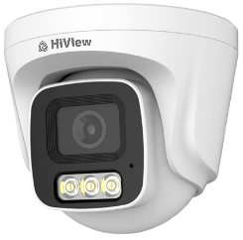 | 1080P | 1/3" 2Megapixel CMOS 25/30fps@1080P,25/30fps@720P 20m(66ft) Warm White Light/Colorvu, OSD, 2.8mm fixed Lens, Built in Mic 4in1(CVI/TVI/AHD/CVBS), 3DNR, 6KV Lightning protection Plastic housing, support DVR H Series and D Series | 287,000 | 210,000 | 265,000
OUTDOOR C-SERIES | HV-B127PS | 2.8MM |  | 1080P | 1/3" 2Megapixel CMOS 25/30fps@1080P,25/30fps@720P 30m(66ft) Warm White Light/Colorvu, OSD, 2.8mm fixed lens, Built in Mic 4in1(CVI/TVI/AHD/CVBS), IP67, 3DNR, 6KV Lightning protection Plastic housing, support DVR H Series and D Series | 294,000 | 216,000 | 272,000

D-SERIES CAM
SERI | TIPE | LENSA | GAMBAR | RESOLUSI | KETERANGAN PRODUK | MSRP | NON MD PRICE | ONLINE PRICE
INDOOR D-SERIES | T1A20 | 2.8MM |  | 1080P | 1/2.7"" 2Megapixel CMOS 25/30fps@1080P,25/30fps@720P 20m(66ft) IR, Smart IR,ICR, OSD, 2.8mm fixed lens,4in1(CVI/TVI/AHD/CVBS) Plastic housing | 195,000 | 146,000 | 168,000
OUTDOOR D-SERIES | B1A20 | 3.6MM |  | 1080P | 1/2.7" 2Megapixel CMOS 25/30fps@1080P,25/30fps@720P 20m(66ft) IR, Smart IR,ICR, OSD,4in1(CVI/TVI/AHD/CVBS) IP67,Plastic housing | 205,000 | 146,000 | 168,000
OUTDOOR D-SERIES | T1A20 (U MODEL) | 2.8MM |  | 1080P | 1/2.7"" 2Megapixel CMOS 25/30fps@1080P,25/30fps@720P 25m IR, Smart IR,ICR, OSD, 2.8mm fixed lens,4in1(CVI/TVI/AHD/CVBS), Plastic housing, Quick-to-install design, Upgrade on appearance | 220,500 | 162,000 | 185,000
OUTDOOR D-SERIES | B1A20 (U MODEL) | 3.6MM | 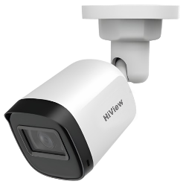 | 1080P | 1/2.7" 2Megapixel CMOS 25/30fps@1080P,25/30fps@720P 30m IR, Smart IR,ICR, OSD,4in1(CVI/TVI/AHD/CVBS), Quick-to-install design, Upgrade on appearance IP67,Plastic housing | 226,000 | 169,000 | 191,000
INDOOR D-SERIES | HIK-T1A21P-U-A | 2.8MM |  | 1080P | 1/2.7"" 2Megapixel CMOS 25/30fps@1080P,25/30fps@720P 25m IR, Smart IR,ICR, OSD, 2.8mm fixed lens,4in1(CVI/TVI/AHD/CVBS), Built-in mic, Plastic housing, Quick-to-install design, Upgrade on appearance | 305,000 | 232,000 | 265,000
OUTDOOR D-SERIES | HIK-B1A21P-U-A | 3.6MM |  | 1080P | 1/2.7" 2Megapixel CMOS 25/30fps@1080P,25/30fps@720P 30m IR, Smart IR,ICR, OSD,4in1(CVI/TVI/AHD/CVBS),Built-in mic, Quick-to-install design, Upgrade on appearance IP67,Plastic housing | 321,000 | 245,000 | 280,000
INDOOR D-SERIES AUDIO ILLUMINATOR | HIK-T1240CLQP-IL-A | 2.8MM | 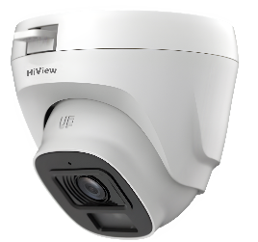 | 1080P | The parameters and datasheets below can only be applied to1200-S6-IL series. · Max. 30 fps@1080p · 3D NR · Smart Dual Light · 20 m illumination distance · Super Adapt · Built-in mic · Quick-to-install eyeball saves installation time. · 3.6 mm fixed lens (2.8 mm optional) · CVI/CVBS/AHD/TVI switchable · IP67, 12 V DC | 343,000 | 265,000 | 300,000
OUTDOOR D-SERIES AUDIO ILLUMINATOR | HIK-B1240CMP-IL-A | 3.6MM |  | 1080P | The parameters and datasheets below can only be applied to1200-S6-IL series. · Max. 30 fps@1080p, · 3D NR, · Smart Dual Light, · 20 m illumination distance · Super Adapt · Built-in mic · 3.6 mm fixed lens (2.8 mm optional) · CVI/CVBS/AHD/TVI switchable · IP67, 12 V DC | 343,000 | 276,000 | 312,000
INDOOR D-SERIES FULL COLOR | T129 | 2.8MM | 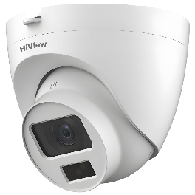 | 1080P | 2MP / 1080P, 2,8mm Fix Focal Lens, Full Color Starlight 20M, Illumination Distance 4 in 1 Video Output, (TVI/AHD/CVI/CVBS) IP 67, 12 VDC | 267,000 | 211,000 | 240,000
OUTDOOR D-SERIES FULL COLOR | B129 | 3.6MM | 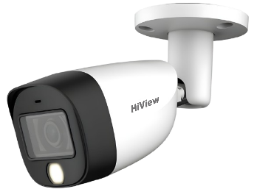 | 1080P | 2MP / 1080P, Image sensor, Lens Fixed focal, 2MP CMOS, 3,6mm Fix Focal Lens, Full Color Starlight 20M, Illumination Distance 4 in 1 Video Output, (TVI/AHD/CVI/CVBS) IP 67, 12 VDC | 308,000 | 243,000 | 275,000

IPC H-SERIES
TIPE | LENSA | GAMBAR | RESOLUSI | KETERANGAN PRODUK | MSRP | NON MD PRICE | ONLINE PRICE
IP-B121H-UC | 2,8 mm |  | 2MP | 2MP Fixed Bullet Network Camera High quality imaging with 2 MP resolution Efficient H.265+ compression technology Clear imaging against strong back light due to DWDR technology Water and dust resistant (IP67) EXIR 2.0: advanced infrared technology with long IR range Built-In Mic | 795,000 | 524,000 | 595,000
IP-T121H-UC | 2,8 mm | 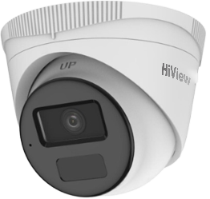 | 2MP | 2 MP Fixed Turret Network Camera High quality imaging with 2 MP resolution Built-In MicEfficient H.265+ compression technology Clear imaging against strong back light by DWDR technology Water and dust resistant (IP67) Easy installation with Power over Ethernet (PoE) technology | 787,500 | 519,000 | 590,000
IPC-B1043G2-LU-C | 2,8 mm |  | 4MP | High quality imaging with 4 MP resolution Support Human and Vehicle Detection Smart Hybrid Light: advanced technology with long range Built-in microphone for real-time audio security Water and dust resistant (IP67) Efficient H.265+ compression technology | 1,476,000 | 935,000 | 1,060,000
IPC-D1143G2-LU-C | 2,8 mm | 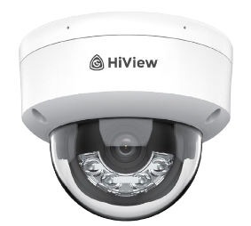 | 4MP | High quality imaging with 4 MP resolution Support Human and Vehicle Detection Smart Hybrid Light: advanced technology with long range Built-in microphone for real-time audio security Efficient H.265+ compression technology Water and dust resistant (IP67) and vandal resistant (IK08) | 1,470,000 | 929,000 | 1,055,000
IPC-B1049G2-LU-C | 2,8 mm |  | 4MP | High quality imaging with 4 MP resolution Support Human and Vehicle Detection Smart Hybrid Light: advanced technology with long range Built-in microphone for real-time audio security Water and dust resistant (IP67) Efficient H.265+ compression technology, Support 120db WDR | 2,245,000 | 1,417,000 | 1,275,000
IPC-D1149G2-LU-C | 2,8 mm |  | 4MP | High quality imaging with 4 MP resolution Support Human and Vehicle Detection Smart Hybrid Light: advanced technology with long range Built-in microphone for real-time audio security Water and dust resistant (IP67) and vandal resistant (IK08) Efficient H.265+ compression technology, Support 120db WDR | 2,085,000 | 1,318,000 | 1,490,000

WIRELESS
TIPE | GAMBAR | RESOLUSI | KETERANGAN PRODUK | MSRP | NON MD PRICE | ONLINE PRICE
C3W | 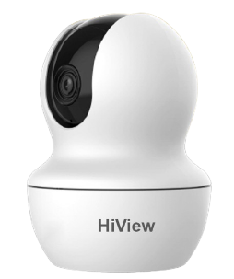 | 3MP | · 3-MP 1/3.2" CMOS image sensor, low luminance, and high definition image. · Outputs max. 3 MP 2304 × 1296 @25 fps. · H.265 codec, high compression rate, ultra-low bit rate. · Built-in IR LED, and the max. IR illumination distance is 10 m. · Supports max. 256 G Micro SD card; built-in Mic; built-in speaker. · 5 VDC power supply, Auto Tracking · Supports Wi-Fi 6 · Supports motion detection, human detection, pet detection. | 375,000 | 270,000 | 310,000
C5W |  | 5MP | · 5-MP 1/3.2" CMOS image sensor, low luminance, and high definition image. · Outputs max. 5 MP 2880 × 1620 @25 fps. · H.265 codec, high compression rate, ultra-low bit rate. · Built-in IR LED, and the max. IR illumination distance is 10 m. · Supports max. 256 G Micro SD card; built-in Mic; built-in speaker. · 5 VDC power supply, Auto Tracking · Supports Wi-Fi 6 · Supports motion detection, human detection, pet detection. | 565,000 | 400,000 | 455,000
C3W-PRO | 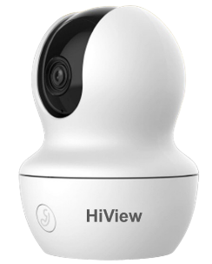 | 3MP | · 3-MP 1/3.2" CMOS image sensor, low luminance, and high definition image. · Outputs max. 3 MP 2304 × 1296 @25 fps. · H.265 codec, high compression rate, ultra-low bit rate. · Built-in IR LED, and the max. IR illumination distance is 10 m. · Supports max. 256 G Micro SD card; built-in Mic; built-in speaker. · 5 VDC power supply, one click proactive call · Supports Wi-Fi 6, Auto Tracking · Supports motion detection, human detection, pet detection. | 475,000 | 335,000 | 380,000
C5W-PRO |  | 5MP | · 5-MP 1/3.2" CMOS image sensor, low luminance, and high definition image. · Outputs max. 5 MP 2880 × 1620 @25 fps. · H.265 codec, high compression rate, ultra-low bit rate. · Built-in IR LED, and the max. IR illumination distance is 10 m. · Supports max. 256 G Micro SD card; built-in Mic; built-in speaker. · 5 VDC power supply, one click proactive call · Supports Wi-Fi 6, Auto Tracking · Supports motion detection, human detection, pet detection. | 672,000 | 491,000 | 560,000
C3W-DUAL | 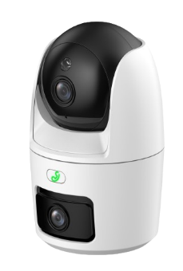 | 3MP+3MP | 3MP, Image Sensor 1/3.2'' CMOS, Max. Resolution 2304 (H) × 1296 (V), Illumination Distance Up to 30 m (98.43 ft) (IR), Illuminator Number 2 (IR LED), Angle Adjustment, 0° to 15°, Lens Type Fixed-focal, Focal Length 3.6 mm, Max. Aperture, F2.0, Field of View H: 79°; V: 43°; D: 94°, PT Lens, Pan: 0° to 349°, Tilt: –5° to 90°, Illuminator Number 2 (IR LED); 1 (Warm light), Build in Mic, Build in Speaker, 5VDC, Casing Material Plastic, Storage Max 256GB, Video Compression H.265, Privaci Mode, Abnormal Sound Alarm, | TBA | TBA | TBA
C5W-DUAL |  | 5MP+5MP | 5MP, Image Sensor 1/3.2'' CMOS, Max. Resolution 2304 (H) × 1296 (V), Illumination Distance Up to 30 m (98.43 ft) (IR), Illuminator Number 2 (IR LED), Angle Adjustment, 0° to 15°, Lens Type Fixed-focal, Focal Length 3.6 mm, Max. Aperture, F2.0, Field of View H: 79°; V: 43°; D: 94°, PT Lens, Pan: 0° to 349°, Tilt: –5° to 90°, Illuminator Number 2 (IR LED); 1 (Warm light), Build in Mic, Build in Speaker, 5VDC, Casing Material Plastic, Storage Max 256GB, Video Compression H.265, Privaci Mode, Abnormal Sound Alarm, | TBA | TBA | TBA
PC3W | 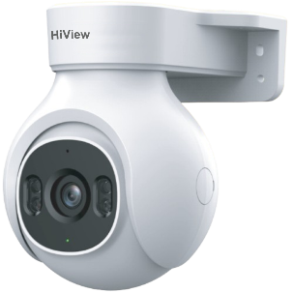 | 3MP | · 3-MP 1/3.2" CMOS image sensor, low luminance, and high definition image. · Outputs max. 3 MP 2304 × 1296 @25 fps. · H.265 codec, high compression rate, ultra-low bit rate. · Built-in IR LED & White Light (Smart Dual Light) · Supports max. 256 G Micro SD card; built-in Mic; built-in speaker. · AI Vehicle Detection · 12 VDC power supply, Auto Tracking · Support 360 Degree Camera Patrol · Supports Wi-Fi 6, IP 66 Protection · Supports motion detection, human detection, pet detection. | 843,000 | 588,000 | 695,000
PC5W |  | 5MP | · 5-MP 1/3.2" CMOS image sensor, low luminance, and high definition image. · Outputs max. 5 MP 2880 × 1620 @25 fps. · H.265 codec, high compression rate, ultra-low bit rate. · Built-in IR LED & White Light (Smart Dual Light) · Supports max. 256 G Micro SD card; built-in Mic; built-in speaker. · AI Vehicle Detection · 12 VDC power supply, Auti Tracking · Support 360 Degree Camera Patrol · Supports Wi-Fi 6, IP 66 Protection · Supports motion detection, human detection, pet detection. | 1,060,000 | 729,000 | 805,000
PC3W-DUAL | 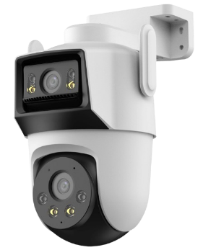 | 3MP+3MP | 3MP - Fixed Lens, Image Sensor 1/2.8" CMOS, Max. Resolution 2304 (H) × 1296 (V), Illumination Distance Up to 30 m (98.43 f) (IR), Up to 30 m (98.43 f) (Warm light), Illuminator Number, 2 (IR LED); 2 (Warm light), Angle Adjustment, -10° to 15° Lens Type Fixed-focal, Focal Length 3.6mm Max. Aperture F1.6, Field of View H: 86°; V: 46°; D: 103°, PT Lens, Pan: 0° to 352°; Tilt: 0° to 90°, Illuminator Number 2 (IR LED); 1 (Warm light), Build in Mic, Build in Speaker, 5VDC, Casing Material Plastic, Storage Max 256GB, Video Compression H.265, Privaci Mode, Abnormal Sound Alarm, | TBA | TBA | TBA
PC3W-DUAL |  | 5MP+5MP | 5MP - Fixed Lens, Image Sensor 1/2.8" CMOS, Max. Resolution 2304 (H) × 1296 (V), Illumination Distance Up to 30 m (98.43 f) (IR), Up to 30 m (98.43 f) (Warm light), Illuminator Number, 2 (IR LED); 2 (Warm light), Angle Adjustment, -10° to 15° Lens Type Fixed-focal, Focal Length 3.6mm Max. Aperture F1.6, Field of View H: 86°; V: 46°; D: 103°, PT Lens, Pan: 0° to 352°; Tilt: 0° to 90°, Illuminator Number 2 (IR LED); 1 (Warm light), Build in Mic, Build in Speaker, 5VDC, Casing Material Plastic, Storage Max 256GB, Video Compression H.265, Privaci Mode, Abnormal Sound Alarm, | TBA | TBA | TBA
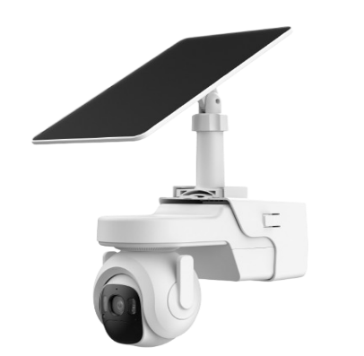 PC4W-4G-SOLAR |  | 4MP | Fixed Lens, Image Sensor 1/2.8" CMOS, Max. Resolution 2304 (H) × 1296 (V), Illumination Distance Up to 30 m (98.43 f) (IR), Up to 30 m (98.43 f) (Warm light), Illuminator Number, 2 (IR LED); 2 (Warm light), Angle Adjustment, -10° to 15° Lens Type Fixed-focal, Focal Length 3.6mm Max. Aperture F1.6, Field of View H: 86°; V: 46°; D: 103°, PT Lens, Pan: 0° to 352°; Tilt: 0° to 90°, Illuminator Number 2 (IR LED); 1 (Warm light), Build in Mic, Build in Speaker, 5VDC, Casing Material Plastic, Storage Max 256GB, Video Compression H.265, Privaci Mode, Abnormal Sound Alarm, | TBA | TBA | TBA

AKSESORIS
SERI | TIPE | GAMBAR | KETERANGAN PRODUK | MSRP | NON MD PRICE | ONLINE PRICE
SWITCHING PSU 04 CH | HIK-PSU-4CH |  | 12 VDC/1 A per channel Over current/short circuit/over voltage protection Complies with certification standards of information technology products;good EMC performance Compact size; applicable to cameras 4 Output Power Socket | 139,500 | 98,000 | 107,000
SWITCHING PSU 08 CH | HIK-PSU-8CH |  | 12 VDC/1 A per channel Over current/short circuit/over voltage protection Complies with certification standards of information technology products;good EMC performance Compact size; applicable to cameras 8 Output Power Socket | 168,000 | 118,000 | 129,000
SWITCHING PSU 16 CH | HI-12V16A-16CH |  | 12 VDC/1 A per channel Over current/short circuit/over voltage protection Complies with certification standards of information technology products;good EMC performance Compact size; applicable to cameras 16 Output Power Socket | 286,500 | 202,000 | 220,000
UNINTERRUPTIBLE POWEER SUPPLY (UPS) | HIVIEW600A | 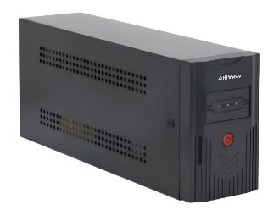 | 600VA/360W Line-interactive UPS Wide input voltage range: AC81~145V or AC140~290V, meet the requirements in different parts for electric network fluctuation,boost and buck AVR for voltage stabilization, off-mode charging, cold start function and full protection, continuous power supply for preventing data loss,Compact size | 604,500 | 424,000 | 465,000
UNINTERRUPTIBLE POWEER SUPPLY (UPS) | HIVIEW1200VA | 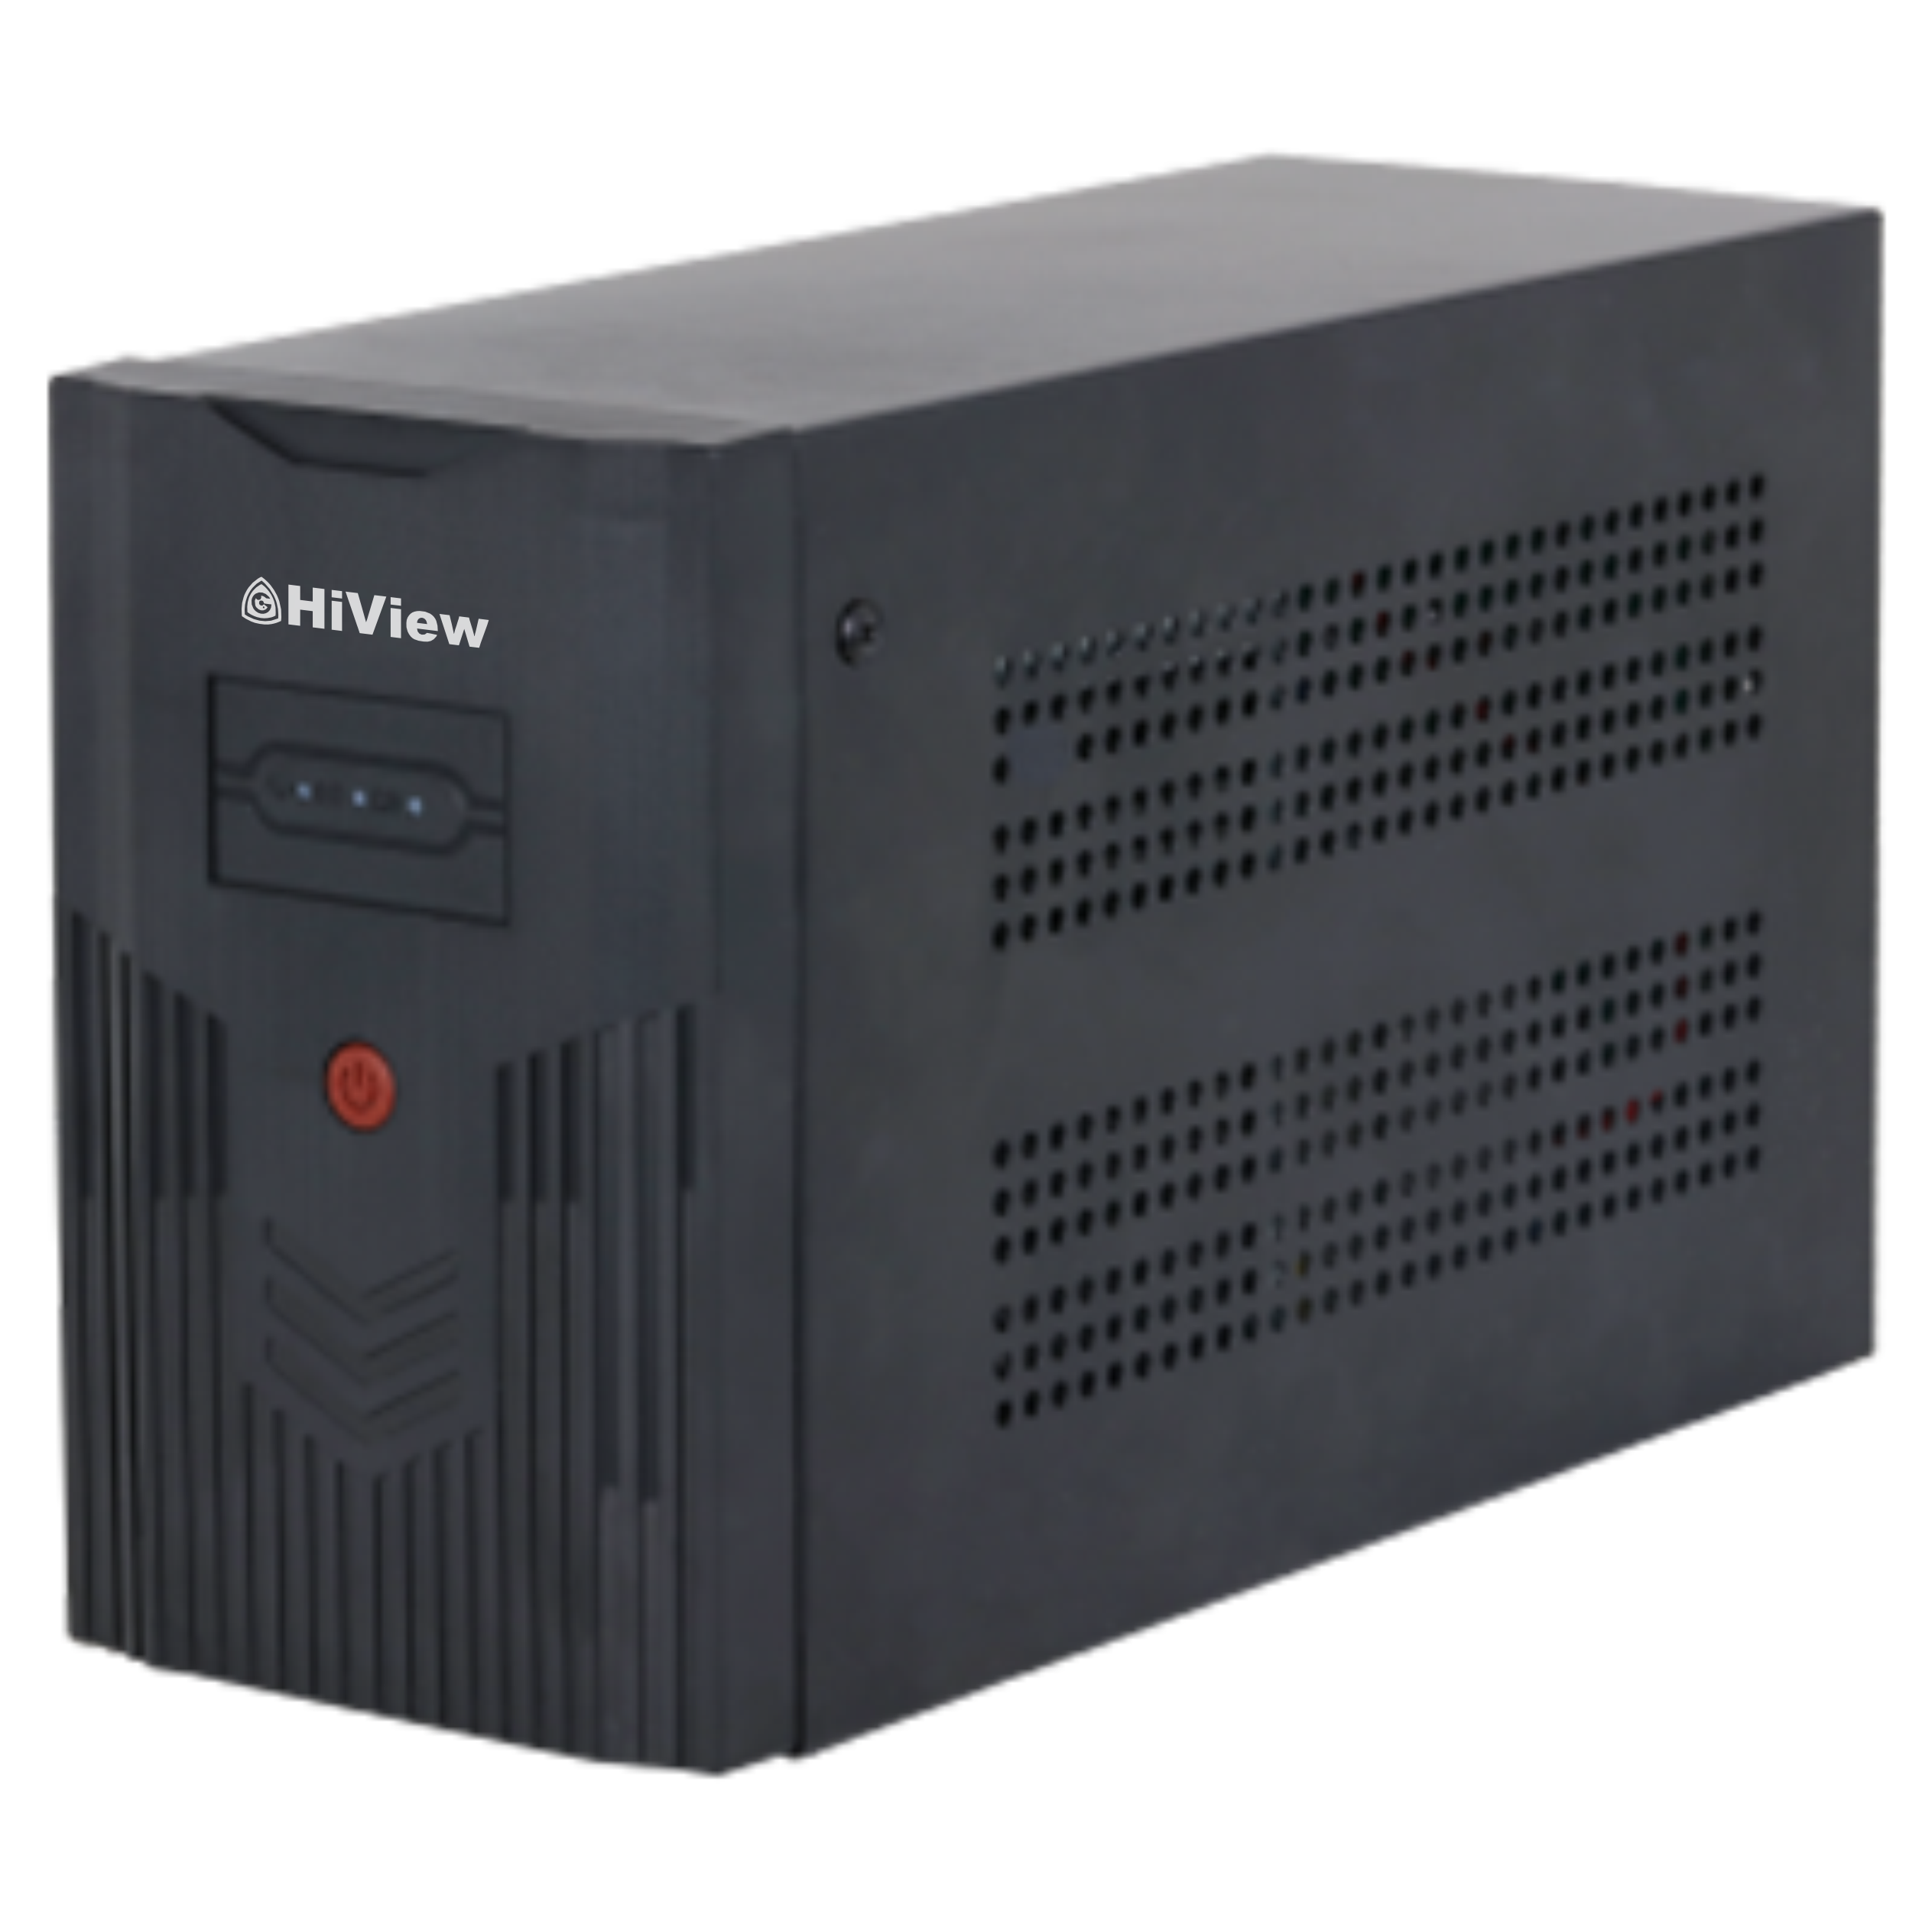 | 1200VA/720W Uninterruptible Power Supply, Easily adapts to different power grid environments through its wide voltage range between 150–275 V, Includes AVR to ensure voltage output remains stable, Automatically switches power supply modes when there is a power failure, overvoltage or undervoltage, ensuring the voltage output remains stable, Supports charging and cold start even when the device is shutdown, Protects itself when it is overloaded, heavily discharged or overcharged. | 1,224,000 | 857,000 | 939,000
EXTENDER HDMI | HDMI EXTENDER 60 M |  | *One pair as a full functional module, no need of setting. *Support 1080P/60Hz; *Support local loop-out; *Support 60m long distance transmission: *Low power consumption, low temperature and high safety; -Support mouse and keyboard extension; *CAT-5e/6 follow the standard of IEEE-568B | 420,000 | 294,000 | #REF!
EXTENDER HDMI | HDMI EXTENDER 150 M |  | *One pair as a full functional module, no need of setting. *Support 1080P/60Hz; *Support local loop-out; *Support 150m long distance transmission: *Low power consumption, low temperature and high safety; -Support mouse and keyboard extension; *CAT-5e/6 follow the standard of IEEE-568B | 1,125,000 | 78,800 | 863,000
HV-MC32 | MICRO SD 32GB |  | HiView Series MicroSD (TF) Card is specially designed for the video surveillance industry. They provide Class 10 R/W speed, adopt TLC NAND with high compatibility and low price, and are applicable mainly to low recording intensity scenes or simple operating scenes such as standby storage, etc. • High Performance/Cost Ratio - Lower Price Compared to Cards with Same TLC NAND • High Compatibility - Optimized by HiView Storage System, Compatible  with More Products than Traditional SD (TF) Cards - Compatible to All Brand Devices • Ultra-Strong Adaptability - Waterproof, Shockproof, X-Ray Proof, and  Wide Temperature Range | 110,000 | 77,000 | 85,000
HV-MC64 | MICRO SD 64GB |  |  | 147,000 | 103,000 | 113,000
HV-MC128 | MICRO SD 128GB |  |  | 278,000 | 195,000 | 214,000
HV-MC256 | MICRO SD 256GB |  |  | 524,000 | 367,000 | 402,000
HIK-ACS80 | Access Control Back Up Power Supply | 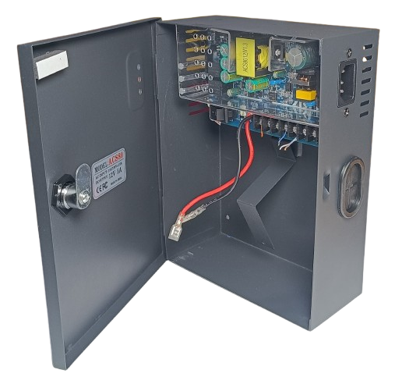 | 110-220 VAC, 12V*5A/60W, 4 Channels Distribution box, IEC 60320 C13 AC Socket | 338,000 | 237,000 | 259,000

ACCESS CONTROL
SERI | TIPE | GAMBAR | KETERANGAN PRODUK | MSRP | NON MD PRICE | ONLINE PRICE
ACCESS CONTROL | HIK-K1T320MFX | 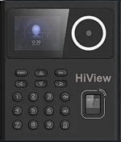 | 2.4-inch LCD screen, 2 MP lens Multiple authentication modes, including face, fingerprint, card, and PIN, etc. Supports M1 card (Mifare 1 Card) Max. 500 faces, 1,000 cards, 1,000 fingerprints and 100,000 events Face recognition duration < 0.2 s/User Supports ISAPI and ISUP 5.0 protocols Configuration via the web client 1x Network Interface, 1x Lock Control, 1x Exit Button, 1x Door Contact Input, 1x Tamper, 1x USB Port | 1,200,000 | 810,000 | 975,000
ACCESS CONTROL | HIK-K1T320EFX |  | 2.4-inch LCD screen, 2 MP lens Multiple authentication modes, including face, fingerprint, card, and PIN, etc. Supports EM card (125khz) Max. 500 faces, 1,000 cards, 1,000 fingerprints and 100,000 events Face recognition duration < 0.2 s/User Supports ISAPI and ISUP 5.0 protocols Configuration via the web client 1x Network Interface, 1x Lock Control, 1x Exit Button, 1x Door Contact Input, 1x Tamper, 1x USB Port | 1,200,000 | 810,000 | 945,000
ACCESS CONTROL | HIK-K1T320MFWX |  | Face Recognition Terminal, 2.4-inch LCD screen,2 Mega pixel wide-angle lens,Built-in Mifare card reading module; Supports M1 card (Mifare 1 Card) Max.500 faces capacity Max.1,000 fingerprints capacity，Max.1,000 cards; Face recognition in dark environment Supports TCP/IP,WiFi, DC 12V/1A Supports ISUP5.0, ISAPI Supports 6 attendance status, including check in, check out, break in, break out, overtime in, overtime out multiple languages: English, Spanish (South America), Arabic, Thai, Indonesian, Russian, Vietnamese, Portuguese (Brazil), Japanese, Korean Configuration via the web client Face Recognition Accuracy Rate > 99% Face Recognition Duration(1:N) ≤0.2s Face Recognition Distance: 0.3m ~ 1.5m Application Situation: Indoor Power adapter included in the package（European Standard） | 1,365,000 | 918,000 | 1,140,000
ACCESS CONTROL | HIK-FRT24-F (M1 Card) |  | Face Recognition Terminal, 2.4-inch LCD screen,2 Mega pixel wide-angle lens,Built-in Mifare card reading module, Supports M1 card (Mifare 1 Card) Max.500 faces capacity Max.3,000 fingerprints capacity，Max.3,000 cards Face recognition in dark environment Supports TCP/IP,DC 12V/1A Supports ISUP5.0, ISAPI Supports wiring with secure door control unit or card reader via RS-485 Supports 6 attendance status, including check in, check out, break in, break out, overtime in, overtime out multiple languages: English, Spanish (South America), Arabic, Thai, Indonesian, Russian, Vietnamese, Portuguese (Brazil), Japanese, Korean Configuration via the web client Face Recognition Accuracy Rate > 99% Face Recognition Duration(1:N) ≤0.2s Face Recognition Distance: 0.3m ~ 1.5m Application Situation: Indoor Power adapter included in the package（European Standard） | 1,420,000 | 972,000 | 1,185,000
ACCESS CONTROL | HIK-FRT24-FW( (M1 Card) |  | Face Recognition Terminal, 2.4-inch LCD screen,2 Mega pixel wide-angle lens,Built-in Mifare card reading module; Supports M1 card (Mifare 1 Card) Max.500 faces capacity Max.3,000 fingerprints capacity，Max.3,000 cards; Face recognition in dark environment Supports TCP/IP,*WiFi,DC 12V/1A Supports ISUP5.0, ISAPI Supports wiring with secure door control unit or card reader via RS-485 Supports 6 attendance status, including check in, check out, break in, break out, overtime in, overtime out multiple languages: English, Spanish (South America), Arabic, Thai, Indonesian, Russian, Vietnamese, Portuguese (Brazil), Japanese, Korean Configuration via the web client Face Recognition Accuracy Rate > 99% Face Recognition Duration(1:N) ≤0.2s Face Recognition Distance: 0.3m ~ 1.5m Application Situation: Indoor Power adapter included in the package（European Standard） | 1,512,000 | 1,022,000 | 1,260,000
ACCESS CONTROL | HIK-FRT43-FW (M1 Card) | 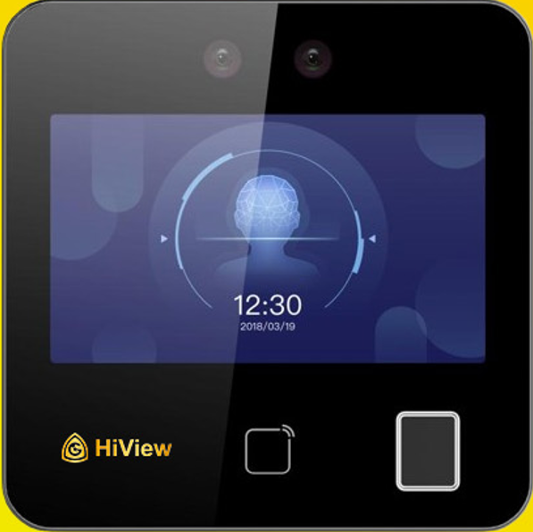 | Face Recognition Terminal, 4.3-inch LCD touch screen,2 Mega pixel wide-angle lens,Built-in Mifare card reading module; Supports M1 card (Mifare 1 Card) Max.1,500 faces capacity Max.3,000 fingerprints capacity，Max.3,000 cards; Face recognition in dark environment Two-way audio with client software, indoor station, and master station Supports TCP/IP,DC 12V/1A,*WiFi, Supports ISUP5.0, ISAPI Supports 6 attendance status, including check in, check out, break in, break out, overtime in, overtime out multiple languages: English, Spanish (South America), Arabic, Thai, Indonesian, Russian, Vietnamese, Portuguese (Brazil) Configuration via the web client Face Recognition Accuracy Rate > 99% Face Recognition Duration(1:N) ≤0.2s Face Recognition Distance: 0.3m ~ 1.5m Application Situation: Indoor Power adapter included in the package（European Standard） | 2,460,000 | 1,662,000 | 2,050,000

MONITOR
SERI | TIPE | GAMBAR DEPAN | GAMBAR SAMPING | KETERANGAN PRODUK | MSRP | HARGA DEALER | HARGA ONLINE
MONITOR 19'5 INCH | HV-20RX100 | 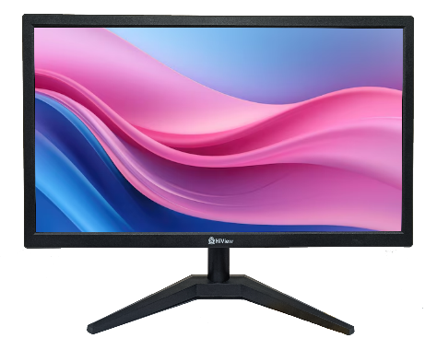 |  | HD Resolution (1600 x 900) 100 Hz Refresh Rate V Shape Standing Bracket TN Panel HDMI & VGA Support Built-In Speaker 24/7 operation Physical button control mode High Contrast, Clear Details Low energy consumption, long service life Non-Bezelles Frame Vesa Mount | 1,020,000 | 850,000 | 975,000
MONITOR 22 INCH | HV-22RX100 | 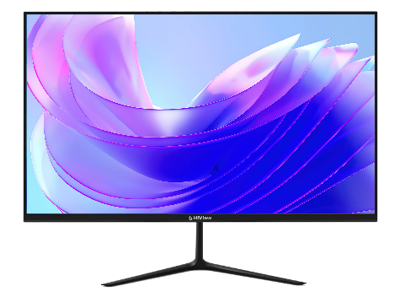 |  | Full HD Resolution (1920 x 1080) 100 Hz Refresh Rate V Shape Standing Bracket VA Panel HDMI & VGA Support Built-In Speaker 24/7 operation Physical button control mode High Contrast, Clear Details Low energy consumption, long service life Bezelles Frame Vesa Mount | 1,242,000 | 1,035,000 | 1,150,000
MONITOR 24 INCH | HV-24RX100 | 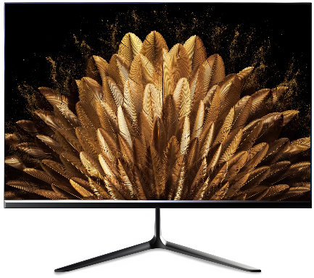 |  | - FHD Resolution (1920 x 1080) - 100Hz Refresh Rate - HDMI & VGA Support - Built-In Speaker - 24/7 Operatios - Bezelles Frame - Vesa Mount SupportElegant Design - IPS PanelPhysical button control mode High Contrast, Clear Details Low energy consumption, long service life Bezelles Frame Vesa Mount | 1,863,000 | 1,552,500 | 1,700,000

KABEL
SERI | TIPE | GAMBAR | KETERANGAN PRODUK | MSRP | NON MD PRICE | ONLINE PRICE
FIBER CABLE | HV-DC1CORE-1000 | 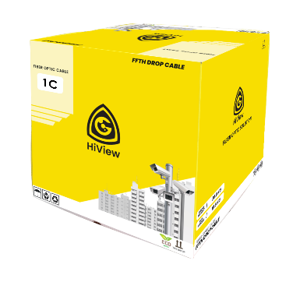 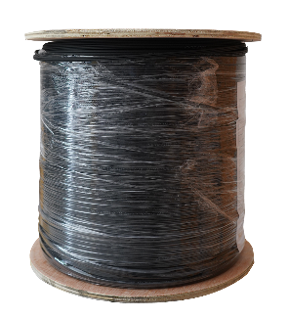 | Characteristics · Special low-bend-sensitivity fiber provides high bandwidth and excellent communication transmission property; · Two parallel FRP strength members ensure good performance of crush resistance to protect the fiber; · Simple structure, light weight and high practicability; · Novel flute design, easily strip and splice, simplify the installation and maintenance; · Low smoke, zero halogen and flame retardant sheath. Cable Weight : 21Kg Tensile Strength(long/short term) : 60/120 Crush Resistance(long/short term N/100mm : 300/1000 Bending Radius Static/Dynamic mm : 15/35 Features - Suitable for indoor or duct application - Easy jacket removal without special tools - Self-support structure - Excellent crush and impact resistance - Flame Retardant LSZH jacket is applied | 900,000 | 697,000 | 875,000
FIBER CABLE | HV-DC2CORE-1000 |   | The optical fiber unit is positioned in the centre. Two parallel Fiber Reinforced Plastics (FRP) are placed at the two sides. Then the cable is completed with a black or color LSZH sheath. · Characteristics · Special low-bend-sensitivity fiber provides high bandwidth and excellent communication transmission property; · Two parallel FRP strength members ensure good performance of crush resistance to protect the fiber; · Simple structure, light weight and high practicability; · Novel flute design, easily strip and splice, simplify the installation and maintenance; · Low smoke, zero halogen and flame retardant sheath. Cable Weight : 21Kg Tensile Strength(long/short term) : 60/120 Crush Resistance(long/short term N/100mm : 300/1000 Bending Radius Static/Dynamic mm : 15/35 Features - Suitable for indoor or duct application - Easy jacket removal without special tools - Self-support structure - Excellent crush and impact resistance - Flame Retardant LSZH jacket is applied | 971,500 | 755,000 | 915,000
FIBER CABLE |  HV-DC4CORE-1000 |  | The optical fiber unit is positioned in the centre. Two parallel Fiber Reinforced Plastics (FRP) are placed at the two sides. Then the cable is completed with a black or color LSZH sheath. · Characteristics · Special low-bend-sensitivity fiber provides high bandwidth and excellent communication transmission property; · Two parallel FRP strength members ensure good performance of crush resistance to protect the fiber; · Simple structure, light weight and high practicability; · Novel flute design, easily strip and splice, simplify the installation and maintenance; · Low smoke, zero halogen and flame retardant sheath. Cable Weight : 21Kg Tensile Strength(long/short term) : 60/120 Crush Resistance(long/short term N/100mm : 300/1000 Bending Radius Static/Dynamic mm : 15/35 Features - Suitable for indoor or duct application - Easy jacket removal without special tools - Self-support structure - Excellent crush and impact resistance - Flame Retardant LSZH jacket is applied | 1,541,000 | 1,197,000 | 1,360,000
FIBER CABLE | HV-DC8CORE-1000 | 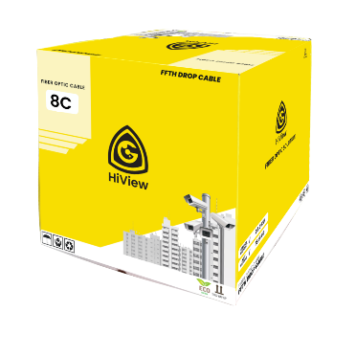  | 8 Core 1000 Meter Optical Cable Elemen Karakteristik atten.1310 ≤0.40dB/km, atten.1383 ≤0.40dB/km atten.1550 ≤0.30dB/km, atten.1625 ≤0.31Db/km Cable cut-off wavelength ≤1260 nm Zero-dispersion wavelength 1300~ 1324 nm Zero-dispersion slope ≤0.091 ps/(nm².km) Mode field diameter @ 1310 nm 8.8~9.6μm Core/Clad concentricity error ≤0.6 μm Cladding diameter 125 ± 1.0 μm Cladding non-circularity ≤1.0% Primary Coating Diameter 245±7 μm Macro-bend induced attenuation 20 mm radius, 1 turn 30 mm radius, 10 turn 50 mm radius, 100 turn Δ≤0.0.1dB @1550nm, Δ≤0.1dB @1550nm, Δ≤0.0.5dB @1550nm | TBA | TBA | TBA
UTP CAT 6 CCA | HIVIEW HV-CCA6-305W(WHITE) |  | 305 m (1000 ft)/carton UTP CAT6, power over Ethernet, compatible with one cable · CCA(Copper content 22%–31%) · Customized PVC outer sheath; Have certain flame retardant properties · Meet ANSI TIA 568C.2 and CPR Eca standards · 10-year warranty | 861,800 | 745,000 | 765,000
UTP CAT 6 OFC | HIVIEW 920I COPPER CAT6 | 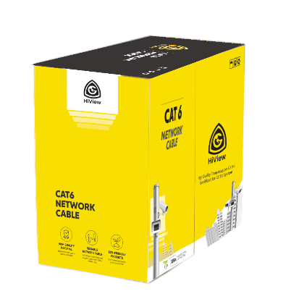 | 305 m (1000 ft)/carton UTP CAT6, power over Ethernet, compatible with one cable · High-purity oxygen-free copper conductor · Customized PVC outer sheath; Have certain flame retardant properties · Meet ANSI TIA 568C.2 and CPR Eca standards · 10-year warranty | 1,959,200 | 1,691,000 | 1,738,000
KABEL COAXIAL | HIVIEW RG59+P 300 C SERIES |  | . Specialized design for Surveillance and Security System Best Protection with Braid Coverage up to 95% - Providing Higher Resolution with Definition Transmission Cable - 300 Meter Cable Length - Easy Installation - Includedwith best cable to provide power for your CCTV products - Compatible to use in Indoor or Outdoor Application | 837,000 | 723,000 | 743,000
KABEL COAXIAL | KABEL RG59+300 REGULER | 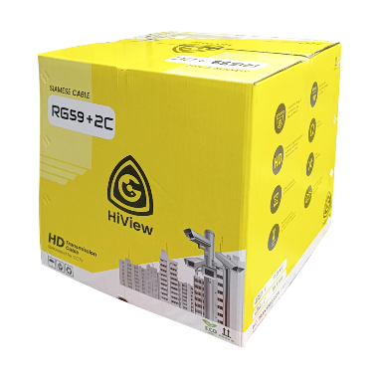 | . Specialized design for Surveillance and Security System - Best Protection with Braid Coverage up to 95% - Providing Higher Resolution with Definition Transmission Cable - 300 Meter Cable Length - 75 Ohm Resistance - Longer durability with stable network - Easy Installation - Includedwith best cable to provide power for your CCTV products - Compatible to use in Indoor or Outdoor Application | 930,000 | 803,000 | 825,000
KABEL COAXIAL | HIVIEW RG59+P 100 METER | 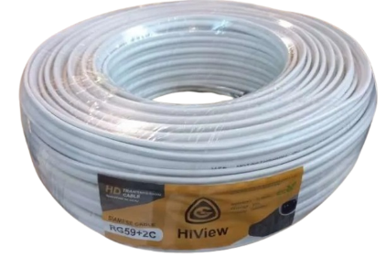 | . Specialized design for Surveillance and Security System - Best Protection with Braid Coverage up to 95% - Providing Higher Resolution with Definition Transmission Cable - 100 Meter Cable Length - 75 Ohm Resistance - Longer durability with stable network - Easy Installation - Includedwith best cable to provide power for your CCTV products - Compatible to use in Indoor or Outdoor Application | 316,000 | 273,000 | 282,000
KABEL COAXIAL | HIVIEW RG59+P 50 METER |  | . Specialized design for Surveillance and Security System - Best Protection with Braid Coverage up to 95% - Providing Higher Resolution with Definition Transmission Cable - 50 Meter Cable Length - 75 Ohm Resistance - Longer durability with stable network - Easy Installation - Includedwith best cable to provide power for your CCTV products - Compatible to use in Indoor or Outdoor Application | 174,000 | 149,000 | 154,000
KABEL COAXIAL | HIVIEW RG6+P 300 METER | 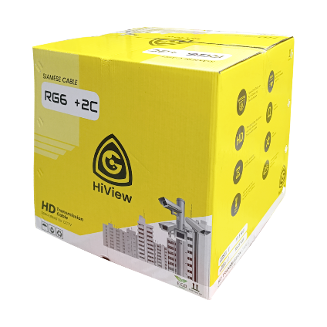 | . Specialized design for Surveillance and Security System - Best Protection with Braid Coverage up to 95% - Providing Higher Resolution with Definition Transmission Cable - 300 Meter Cable Length - 75 Ohm Resistance - Longer durability with stable network - Easy Installation - Includedwith best cable to provide power for your CCTV products - Compatible to use in Indoor or Outdoor Application | 979,000 | 845,000 | 869,000

