HOT MODEL LIST FOR SMB PROJECT
Products | Series | Dahua Model | Picture | Key Spec | Note
Basic IP Cam | 4MP IR Cam | DH-IPC-HFW1431TC1-A |  | Bullet 4MP, 3.6mm, IR 30M, PoE, IP67, 1/2.9" CMOS, H.265+, Build In Mic, Metal + Plastic, Human Detection
 |  | DH-IPC-HDBW1439E1-A-IL | 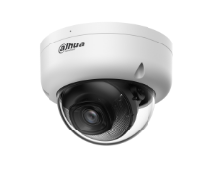 | Dome 4MP, 2.8mm, IR 30M & LED 20M, PoE, IP67&IK08, 1/2.9" CMOS, H.265+, Build In Mic, Metal + Plastic, Human Detection
 |  | DH-IPC-HDW1431T1-A |  | Turret 4MP, 2.8mm, IR 30M, IR 30M, PoE, IP67, 1/2.9" CMOS, H.265+, Build In Mic, Metal + Plastic, Human Detection
 | 4MP Wizcolor Cam | DH-IPC-HFW2449TL-S-PRO |  | Bullet 4MP, 3.6mm, LED 30M, PoE, IP67, 1/1.8" CMOS, F1.0, H.265+, Build In Mic, Metal, Perimeter Protection
 |  | DH-IPC-HFW2449M-S-B-PRO |  | Bullet 4MP, 3.6mm, LED 30M, PoE, IP67, 1/1.8" CMOS, F1.0, H.265+, Build In Mic, Metal + Plastic, Perimeter Protection
 |  | DH-IPC-HDW2449T-S-PRO |  | Turret 4MP, 2.8mm, LED 30M, PoE, IP67, 1/1.8" CMOS, F1.0, H.265+, Build In Mic, Metal + Plastic, Perimeter Protection
Special Series Cam | 2MP Elevator CAM | DH-IPC-DNY21-AS |  | Mini Dome 2MP, 2.1mm, IR 15M, PoE, IP67&IK10, 1/2.8" CMOS, H.265+, Build In Mic & SD Card up to 512GB, Audio In/Out 1/1, Alarm In/Out 1/1, Metal Casing
 | 5MP Fisheye Cam | DH-IPC-EW5541P-AS-X |  | Fisheye 5MP, 1.4mm, IR 10M, PoE, 1/2.8" CMOS, H.265+, Build In Mic & SD Card up to 256GB, Audio In/Out 1/1, Alarm In/Out 1/1, Metal + Plastic, People Counting, Perimeter Protection, Heat Map
 | 2x4MP TiOC Duo lens Cam | DH-IPC-PFW3849S-A180-AS-PV |  | Bullet 2X4MP, 2.8 mm, LED 25M & IR 20M, PoE, IP67, 1/2.7" CMOS, F1.0, H.265+, 2-Way audio& SD Card up to 512GB, Metal, Audio In/Out 1/1, Alarm In/Out 1/1, Perimeter Protection, EPTZ
 |  | DH-IPC-PDW3849-A180-AS-PV |  | Turret 2X4MP, 2.8 mm, LED 30M & IR 20M, PoE, IP67, 1/2.7" CMOS, F1.0, H.265+, 2-Way audio& SD Card up to 512GB, Metal, Audio In/Out 1/1, Alarm In/Out 1/1, Perimeter Protection, EPTZ
 | 4MP 4G Solar Bullet Cam | DH-IPC-HFW2441DG-4G-SP-B |  | Bullet 4MP, 3.6 mm, LED 25M & IR 20M, 2-Way audio& SD Card up to 512GB, Battery Capacity 64Wh, Solar Module Power 10.5 W, AOV mode
 | 4MP 4G Solar PT Cam | DH-KIT/IPC-PT2449B1-4GB20/M0508 |  | MiniPT 4MP, 3.6 mm, LED 30M & IR 20M, 2-Way audio& SD Card up to 512GB, Battery Capacity 68Wh, Solar Module Power 8 W, AOV mode
PTZ | 2MP 25X PTZ | DH-SD49225DB-HNY |  | 4 inch PTZ 2 MP, 25X, IR 100 m; Audio In/Out 1/1, Alarm In/Out 2/1, Perimeter Protection, Face Detection, Auto Patrol, PoE+ (802.3at)
 | 4MP 25X PTZ | DH-SD49425GB-HNR |  | 4 inch PTZ 4 MP, 25X, IR 100 m; Audio In/Out 1/1, Alarm In/Out 2/1, Perimeter Protection, Face Detection, Auto Patrol, PoE+ (802.3at)
 | 4MP 25X TiOC PTZ | DH-SDT4E425-4F-GB-A-PV1 |  | 4 inch PTZ 4 MP+4MP,2.8 mm+25X, LED 50M & IR 100M, Audio In/Out 1/1, Alarm In/Out 2/1, Perimeter Protection, Active Deterrence, Auto Patrol, PoE+ (802.3at)
WizSense NVR | 8CH 1HDD NVR | DHI-NVR4108HS-EI |  | Access, storage or forwarding at 80 Mbps Max. decoding capability: 16 × 1080p@30 fps. Supports adaptive decoding AI by NVR: 1-channel face detection and recognition; 2-channel perimeter protection; up to 10 face databases and 20,000 face images; 4-channel SMD
 | 8CH 2HDD NVR | DHI-NVR4208-EI |  | Access, storage or forwarding at 256 Mbps (180 Mbps when AI function enabled) Max. decoding capability: 16 × 1080p@30 fps. Supports adaptive decoding AI by NVR: 1-channel face detection and recognition; 2-channel perimeter protection; up to 10 face databases and 20,000 face images; 4-channel SMD
 | 16CH 1HDD NVR | DHI-NVR4116HS-EI |  | Access, storage or forwarding at 256 Mbps (180 Mbps when AI function enabled) Max. decoding capability: 16 × 1080p@30 fps. Supports adaptive decoding AI by NVR: 1-channel face detection and recognition; 2-channel perimeter protection; up to 10 face databases and 20,000 face images; 4-channel SMD
 | 16CH 2HDD NVR | DHI-NVR4216-EI |  | Access, storage or forwarding at 256 Mbps (180 Mbps when AI function enabled) Max. decoding capability: 16 × 1080p@30 fps. Supports adaptive decoding AI by NVR: 1-channel face detection and recognition; 2-channel perimeter protection; up to 10 face databases and 20,000 face images; 4-channel SMD
 | 32CH 2HDD NVR | DHI-NVR4232-EI |  | Access, storage or forwarding at 256 Mbps (180 Mbps when AI function enabled) Max. decoding capability: 16 × 1080p@30 fps. Supports adaptive decoding AI by NVR: 1-channel face detection and recognition; 2-channel perimeter protection; up to 10 face databases and 20,000 face images; 4-channel SMD
 | 16CH 4HDD NVR | DHI-NVR4416-EI |  | Access, storage or forwarding at 256 Mbps (180 Mbps when AI function enabled) Max. decoding capability: 16 × 1080p@30 fps. Supports adaptive decoding AI by NVR: 1-channel face detection and recognition; 2-channel perimeter protection; up to 10 face databases and 20,000 face images; 4-channel SMD
 | 32CH 4HDD NVR | DHI-NVR4432-EI |  | Access, storage or forwarding at 256 Mbps (180 Mbps when AI function enabled) Max. decoding capability: 16 × 1080p@30 fps. Supports adaptive decoding AI by NVR: 1-channel face detection and recognition; 2-channel perimeter protection; up to 10 face databases and 20,000 face images; 4-channel SMD
 | 64CH 4HDD NVR | DHI-NVR4464-EI |  | Max. decoding capability: 32 × 1080p@30 fps. Max. 384/384/384 Mbps incoming/recording/outgoing bandwidth. Supports IP cameras with a resolution up to 32 MP. Supports AcuPick with up to 32 channels. Supports N+M cluster,iSCSI. AI by Recorder supports 2-channel face detection and recognition, up to 20 face databases and 20,000 face images; 4-channel perimeter protection; 8-channel SMD Plus.

SMB Model Series
SMB Series: "The most suitable products for small and medium projects"
PN | Dahua Model | Picture | Resolution | Lens | illumination | Descriptions | Status | Protection | Casing Material | Special Function | MSRP | Warranty
Series2 IPC
1.0.01.04.39629-0019 | DH-IPC-BNX21-AS |  | 2MP | 3.6 mm | IR 30 m | 2-MP 1/2.8" CMOS image sensor, low luminance, and high definition image. Outputs max. 2 MP (1920 × 1080)@25/30 fps. H.265 codec, high compression rate, ultra-low bit rate. Built-in IR LED, and the max. illumination distance is 30 m. ROI, SMART H.264+/H.265+, flexible coding, applicable to various bandwidth and storage environments. Rotation mode, WDR, 3D NR, HLC, BLC, digital watermarking, applicable to various monitoring scenes. Intelligent monitoring: Intrusion, tripwire (the two functions support the classification and accurate detection of vehicle and human). Abnormality detection: Motion detection, video tampering, audio detection, no SD card, SD card full, SD card error, network disconnection, IP conflict, illegal access, and voltage detection. Alarm: 1 in, 1 out ; audio: 1 in, 1 out ; supports max. 256 G Micro SD card; built in MIC. 12 VDC/PoE power supply, easy for installation. IP67 protection. SMD Plus | Normal | IP67 | Metal |  | 2,853,400 | 3 Years
1.0.01.04.38029-0018 | DH-IPC-TNX21-S |  | 2MP | 2.8 mm | IR 30 m | 2-MP 1/2.8" CMOS image sensor, low luminance, and high definition image. Outputs max. 2 MP (1920 × 1080)@25/30 fps. H.265 codec, high compression rate, ultra-low bit rate. Built-in IR LED, and the max. illumination distance is 30 m. ROI, SMART H.264 +/H.265+, flexible coding, applicable to various bandwidth and storage environments. Rotation mode, WDR, 3D NR, HLC, BLC, digital watermarking, applicable to various monitoring scenes. Intelligent monitoring: Intrusion, tripwire (the two functions support the classification and accurate detection of vehicle and human). Supports max. 256 G Micro SD card; built in MIC. 12 VDC/PoE power supply. IP67 protection. SMD Plus. | Normal | IP67 | Inner core: Metal Cover: Plastic |  | 2,281,400 | 3 Years
1.0.01.04.39635-0018 | DH-IPC-BNX41-AS |  | 4MP | 3.6 mm | IR 30 m | 4-MP 1/2.9" CMOS image sensor, low luminance, and high definition image. Outputs max. 4 MP (2688 × 1520)@20 fps and supports 2560 × 1440 (2560 × 1440)@25/30 fps H.265 codec, high compression rate, ultra-low bit rate. Built-in IR LED, and the max. illumination distance is 30 m. ROI, SMART H.264+/H.265+, flexible coding, applicable to various bandwidth and storage environments. Rotation mode, WDR, 3D NR, HLC, BLC, digital watermarking, applicable to various monitoring scenes. Intelligent monitoring: Intrusion, tripwire (the two functions support the classification and accurate detection of vehicle and human). Abnormality detection: Motion detection, video tampering, audio detection, no SD card, SD card full, SD card error, network disconnection, IP conflict, illegal access, and voltage detection. Alarm: 1 in, 1 out ; audio: 1 in, 1 out ; supports max. 256 G Micro SD card; built in MIC. 12 VDC/PoE power supply, easy for installation. IP67 protection. SMD Plus. | Normal | IP67 | Metal |  | 3,355,000 | 3 Years
1.0.01.04.38031-0023 | DH-IPC-TNX41-S |  | 4MP | 2.8 mm | IR 30 m | 4-MP 1/2.9" CMOS image sensor, low luminance, and high definition image. Outputs max. 4 MP (2688 × 1520)@20 fps, and supports 2560 × 1440@25/30 fps H.265 codec, high compression rate, ultra-low bit rate. Built-in IR LED, and the max. illumination distance is 30 m. ROI, SMART H.264 +/H.265+, flexible coding, applicable to various bandwidth and storage environments. Rotation mode, WDR, 3D NR, HLC, BLC, digital watermarking, applicable to various monitoring scenes. Intelligent monitoring: Intrusion, tripwire (the two functions support the classification and accurate detection of vehicle and human) Supports max. 256 G Micro SD card; built in MIC. 12 VDC/PoE power supply. IP67 protection. SMD Plus | Normal | IP67 | Inner core: Metal Cover: Plastic |  | 3,176,800 | 3 Years
1.0.01.04.40184-0008 | DH-IPC-BNX51-AS |  | 5MP | 3.6 mm | IR 30 m | 5-MP 1/2.7" CMOS image sensor, low luminance, and high definition image. Outputs max. 5 MP (2960 × 1668) @20 fps, and supports 2688 ×1520 (2688 × 1520) @25/30 fps. H.265 codec, high compression rate, ultra-low bit rate. Built-in IR LED, and the max. illumination distance is 80 m. ROI, SMART H.264+/H.265+, flexible coding, applicable to various bandwidth and storage environments. Rotation mode, WDR, 3D NR, HLC, BLC, digital watermarking, applicable to various monitoring scenes. Intelligent monitoring: Intrusion, tripwire (the two functions support the classification and accurate detection of vehicle and human). Abnormality detection: Motion detection, video tampering, audio detection, no SD card, SD card full, SD card error, network disconnection, IP conflict, illegal access, and voltage detection. Alarm: 1 in, 1 out ; audio: 1 in, 1 out ; Supports max. 256 G Micro SD card; built in MIC. 12 VDC/PoE power supply. IP67 , IK10 (optional) protection. SMD Plus. | Normal | IP67 | Metal |  | 3,863,200 | 3 Years
1.0.01.04.39992-0003 | DH-IPC-TNX51-S |  | 5MP | 2.8 mm | IR 30 m | 5-MP 1/2.7" CMOS image sensor, low luminance, and high definition image. Outputs max. 5 MP (2960 × 1668) @20 fps, and supports 2688 ×1520 (2688 × 1520) @25/30 fps. H.265 codec, high compression rate, ultra-low bit rate. Built-in IR LED, and the max. illumination distance is 30 m. ROI, SMART H.264+/H.265+, flexible coding, applicable to various bandwidth and storage environments. Rotation mode, WDR, 3D NR, HLC, BLC, digital watermarking, applicable to various monitoring scenes. Intelligent monitoring: Intrusion, tripwire (the two functions support the classification and accurate detection of vehicle and human). Abnormality detection: Motion detection, video tampering, audio detection, no SD card, SD card full, SD card error, network disconnection, IP conflict, illegal access, and voltage detection. Supports max. 256 G Micro SD card; built in MIC. 12 VDC/PoE power supply. IP67 protection. SMD Plus. | Normal | IP67 | Metal |  | 3,625,600 | 3 Years
1.0.01.04.39554-0022 | DH-IPC-HFW2241TP-ZS | 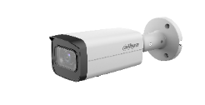 | 2MP | 2.7 mm–13.5 mm | IR 60m | 2-MP 1/2.8" CMOS image sensor, low luminance, and high definition image. Outputs max. 2 MP (1920 × 1080)@25/30 fps. H.265 codec, high compression rate, ultra-low bit rate. Built-in IR LED, and the max. illumination distance is 60 m. ROI, SMART H.264+/H.265+, flexible coding, applicable to various bandwidth and storage environments. Rotation mode, WDR, 3D NR, HLC, BLC, digital watermarking, applicable to various monitoring scenes. Intelligent monitoring: Intrusion, tripwire (the two functions support the classification and accurate detection of vehicle and human) Abnormality detection: Motion detection, video tampering, audio detection, no SD card, SD card full, SD card error, network disconnection, IP conflict, illegal access, and voltage detection. supports max. 256 G Micro SD card; built in MIC. 12 VDC/PoE power supply, easy for installation. IP67, IK10 (optional) protection. SMD Plus. | Normal | IP67 | Metal |  | 4,835,600 | 3 Years
1.0.01.04.39143-0009 | DH-IPC-HDW2241TP-ZS | 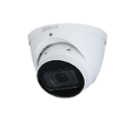 | 2MP | 2.7 mm–13.5 mm | IR 40m | 2-MP 1/2.8" CMOS image sensor, low luminance, and high definition image. Outputs max. 2 MP (1920 × 1080)@25/30 fps. H.265 codec, high compression rate, ultra-low bit rate. Built-in IR LED, and the max. illumination distance is 40 m. ROI, SMART H.264+/H.265+, flexible coding, applicable to various bandwidth and storage environments. Rotation mode, WDR, 3D NR, HLC, BLC, digital watermarking, applicable to various monitoring scenes. Intelligent monitoring: Intrusion, tripwire (the two functions support the classification and accurate detection of vehicle and human) Abnormality detection: Motion detection, video tampering, audio detection, no SD card, SD card full, SD card error, network disconnection, IP conflict, illegal access, and voltage detection. Supports max. 256 G Micro SD card; built in MIC. 12 VDC/PoE power supply, easy for installation. IP67 protection. SMD Plus. | Normal | IP67 | Metal |  | 4,657,400 | 3 Years
1.0.01.04.39155-0009 | DH-IPC-HDBW2241RP-ZS |  | 2MP | 2.7 mm–13.5 mm | IR 40m | 2-MP 1/2.8" CMOS image sensor, low luminance, and high definition image. Outputs max. 2 MP (1920 × 1080)@25/30 fps. H.265 codec, high compression rate, ultra-low bit rate. Built-in IR LED, and the max. illumination distance is 40 m. ROI, SMART H.264+/H.265+, flexible coding, applicable to various bandwidth and storage environments. Rotation mode, WDR, 3D NR, HLC, BLC, digital watermarking, applicable to various monitoring scenes. Intelligent monitoring: Intrusion, tripwire (the two functions support the classification and accurate detection of vehicle and human) Abnormality detection: Motion detection, video tampering, audio detection, no SD card, SD card full, SD card error, network disconnection, IP conflict, illegal access, and voltage detection. Supports max. 256 G Micro SD card; built in MIC. 12 VDC/PoE power supply, easy for installation. IP67 and IK10 protection. SMD Plus | Normal | IP67+IK10 | Metal |  | 4,657,400 | 3 Years
1.0.01.04.39556-0009 | DH-IPC-HFW2241TP-ZAS |  | 2MP | 2.7 mm–13.5 mm | IR 60m | 2-MP 1/2.8" CMOS image sensor, low luminance, and high definition image. Outputs max. 2 MP (1920 × 1080)@25/30 fps. H.265 codec, high compression rate, ultra-low bit rate. Built-in IR LED, and the max. illumination distance is 60 m. ROI, SMART H.264+/H.265+, flexible coding, applicable to various bandwidth and storage environments. Rotation mode, WDR, 3D NR, HLC, BLC, digital watermarking, applicable to various monitoring scenes. Intelligent monitoring: Intrusion, tripwire (the two functions support the classification and accurate detection of vehicle and human) Abnormality detection: Motion detection, video tampering, audio detection, no SD card, SD card full, SD card error, network disconnection, IP conflict, illegal access, and voltage detection. Alarm: 1 in, 1 out; audio: 1 in, 1 out; supports max. 256 G Micro SD card; built in MIC. 12 VDC/PoE power supply, easy for installation. IP67, IK10 (optional) protection. SMD Plus. | Normal | IP67 | Metal |  | 5,020,400 | 3 Years
1.0.01.04.39157-0011 | DH-IPC-HDBW2241RP-ZAS |  | 2MP | 2.7 mm–13.5 mm | IR 40m | 2-MP 1/2.8" CMOS image sensor, low luminance, and high definition image. Outputs max. 2 MP (1920 × 1080)@25/30 fps. H.265 codec, high compression rate, ultra-low bit rate. Built-in IR LED, and the max. illumination distance is 40 m. ROI, SMART H.264+/H.265+, flexible coding, applicable to various bandwidth and storage environments. Rotation mode, WDR, 3D NR, HLC, BLC, digital watermarking, applicable to various monitoring scenes. Intelligent monitoring: Intrusion, tripwire (the two functions support the classification and accurate detection of vehicle and human) Abnormality detection: Motion detection, video tampering, audio detection, no SD card, SD card full, SD card error, network disconnection, IP conflict, illegal access, and voltage detection. Alarm: 1 in, 1 out; audio: 1 in, 1 out; supports max. 256 G Micro SD card; built in MIC. 12 VDC/PoE power supply, easy for installation. IP67 and IK10 protection. SMD Plus. | Normal | IP67+IK10 | Metal |  | 4,835,600 | 3 Years
1.0.01.04.39555-0018 | DH-IPC-HFW2441TP-ZS |  | 4MP | 2.7 mm–13.5 mm | IR 60m | 4-MP 1/2.9" CMOS image sensor, low luminance, and high definition image. Outputs max. 4 MP (2688 × 1520)@20 fps, and supports 2560 × 1440 (2560 × 1440)@25/30 fps H.265 codec, high compression rate, ultra-low bit rate. Built-in IR LED, and the max. illumination distance is 60 m. ROI, SMART H.264+/H.265+, flexible coding, applicable to various bandwidth and storage environments. Rotation mode, WDR, 3D NR, HLC, BLC, digital watermarking, applicable to various monitoring scenes. Intelligent monitoring: Intrusion, tripwire (the two functions support the classification and accurate detection of vehicle and human) Abnormality detection: Motion detection, video tampering, audio detection, no SD card, SD card full, SD card error, network disconnection, IP conflict, illegal access, and voltage detection. Supports max. 256 G Micro SD card; built in MIC. 12 VDC/PoE power supply, easy for installation. IP67, IK10 (optional) protection. SMD Plus. | Normal | IP67 | Metal |  | 5,623,200 | 3 Years
1.0.01.04.39144-0011 | DH-IPC-HDW2441TP-ZS |  | 4MP | 2.7 mm–13.5 mm | IR 40m | 4-MP 1/2.9" CMOS image sensor, low luminance, and high definition image. Outputs max. 4 MP (2688× 1520)@20 fps and supports 2560 × 1440 (2560× 1440)@25/30 fps H.265 codec, high compression rate, ultra-low bit rate. Built-in IR LED, and the max. illumination distance is 40 m. ROI, SMART H.264+/H.265+, flexible coding, applicable to various bandwidth and storage environments. Rotation mode, WDR, 3D NR, HLC, BLC, digital watermarking, applicable to various monitoring scenes. Intelligent monitoring: Intrusion, tripwire (the two functions support the classification and accurate detection of vehicle and human). Abnormality detection: Motion detection, video tampering, audio detection, no SD card, SD card full, SD card error, network disconnection, IP conflict, illegal access, and voltage detection. Supports max. 256 G Micro SD card; built in MIC. 12 VDC/PoE power supply, easy for installation. IP67 protection. SMD Plus. | Normal | IP67 | Metal |  | 5,379,000 | 3 Years
1.0.01.04.39156-0009 | DH-IPC-HDBW2441RP-ZS |  | 4MP | 2.7 mm–13.5 mm | IR 40m | 4-MP 1/2.9" CMOS image sensor, low luminance, and high definition image. Outputs max. 4 MP (2688 × 1520)@20 fps and supports 2560 × 1440 (2560 × 1440)@25/30 fps H.265 codec, high compression rate, ultra-low bit rate. Built-in IR LED, and the max. illumination distance is 40 m. ROI, SMART H.264+/H.265+, flexible coding, applicable to various bandwidth and storage environments. Rotation mode, WDR, 3D NR, HLC, BLC, digital watermarking, applicable to various monitoring scenes. Intelligent monitoring: Intrusion, tripwire (the two functions support the classification and accurate detection of vehicle and human) Abnormality detection: Motion detection, video tampering, audio detection, no SD card, SD card full, SD card error, network disconnection, IP conflict, illegal access, and voltage detection. Supports max. 256 G Micro SD card; built in MIC. 12 VDC/PoE power supply, easy for installation. IP67 and IK10 protection. SMD Plus. | Normal | IP67+IK10 | Metal |  | 5,379,000 | 3 Years
1.0.01.04.39557-0011 | DH-IPC-HFW2441TP-ZAS |  | 4MP | 2.7 mm–13.5 mm | IR 60m | 4-MP 1/2.9" CMOS image sensor, low luminance, and high definition image. Outputs max. 4 MP (2688 × 1520)@20 fps, and supports 2560 × 1440 (2560 × 1440)@25/30 fps H.265 codec, high compression rate, ultra-low bit rate. Built-in IR LED, and the max. illumination distance is 60 m. ROI, SMART H.264+/H.265+, flexible coding, applicable to various bandwidth and storage environments. Rotation mode, WDR, 3D NR, HLC, BLC, digital watermarking, applicable to various monitoring scenes. Intelligent monitoring: Intrusion, tripwire (the two functions support the classification and accurate detection of vehicle and human) Abnormality detection: Motion detection, video tampering, audio detection, no SD card, SD card full, SD card error, network disconnection, IP conflict, illegal access, and voltage detection. Alarm: 1 in, 1 out; audio: 1 in, 1 out; supports max. 256 G Micro SD card; built in MIC. 12 VDC/PoE power supply, easy for installation. IP67, IK10 (optional) protection. SMD Plus. | Normal | IP67 | Metal |  | 5,865,200 | 3 Years
1.0.01.04.39158-0009 | DH-IPC-HDBW2441RP-ZAS |  | 4MP | 2.7 mm–13.5 mm | IR 40m | 4-MP 1/2.9" CMOS image sensor, low luminance, and high definition image. Outputs max. 4 MP (2688 × 1520)@20 fps and supports 2560 × 1440 (2560 × 1440)@25/30 fps H.265 codec, high compression rate, ultra-low bit rate. Built-in IR LED, and the max. illumination distance is 40 m. ROI, SMART H.264+/H.265+, flexible coding, applicable to various bandwidth and storage environments. Rotation mode, WDR, 3D NR, HLC, BLC, digital watermarking, applicable to various monitoring scenes. Intelligent monitoring: Intrusion, tripwire (the two functions support the classification and accurate detection of vehicle and human) Abnormality detection: Motion detection, video tampering, audio detection, no SD card, SD card full, SD card error, network disconnection, IP conflict, illegal access, and voltage detection. Alarm: 1 in, 1 out; audio: 1 in, 1 out; supports max. 256 G Micro SD card; built in MIC. 12 VDC/PoE power supply, easy for installation. IP67 and IK10 protection. SMD Plus. | Normal | IP67+IK10 | Metal |  | 5,502,200 | 3 Years
Series3 IPC
1.0.01.04.38361-0010 | DH-IPC-BNY41-AS |  | 4MP | 3.6 mm | IR 30m | 4-MP 1/2.9" CMOS image sensor, low luminance, and high definition image. Outputs max. 4 MP (2688 × 1520)@25/30 fps. H.265 codec, high compression rate, ultra-low bit rate. Built-in IR LED, and the max. illumination distance is 30 m. ROI, SMART H.264 +/H.265+, AI H.264/H.265, flexible coding, applicable to various bandwidth and storage environments. Rotation mode, WDR, 3D NR, HLC, BLC, digital watermarking, applicable to various monitoring scenes. Intelligent monitoring: Intrusion, tripwire (the two functions support the classification and accurate detection of vehicle and human). Abnormality detection: Motion detection, video tampering, scene changing, audio detection, no SD card, SD card full, SD card error, network disconnection, IP conflict, illegal access, and voltage detection. Alarm: 1 in, 1 out; audio: 1 in, 1 out;Supports max. 512 G Micro SD card; built in MIC. 12 VDC/PoE power supply, easy for installation. IP67 protection. SMD 4.0. | Delisted | IP67 | Metal |  | 4,052,400 | 3 Years
1.0.01.04.38291-0011 | DH-IPC-DNY41-S |  | 4MP | 2.8 mm | IR 30m | 4-MP 1/2.9" CMOS image sensor, low luminance, and high definition image. Outputs max. 4 MP (2688 × 1520)@25/30 fps. H.265 codec, high compression rate, ultra-low bit rate. Built-in IR LED, and the max. illumination distance is 30 m. ROI, SMART H.264 +/H.265+, AI H.264/H.265, flexible coding, applicable to various bandwidth and storage environments. Rotation mode, WDR, 3D NR, HLC, BLC, digital watermarking, applicable to various monitoring scenes. Intelligent monitoring: Intrusion, tripwire (the two functions support the classification and accurate detection of vehicle and human). Abnormality detection: Motion detection, video tampering, scene changing, audio detection, no SD card, SD card full, SD card error, network disconnection, IP conflict, illegal access, and voltage detection. Supports max. 512 G Micro SD card; built in MIC. 12 VDC/PoE power supply, easy for installation. IP67 protection. SMD 4.0. | Delisted | IP67+IK10 | Metal |  | 4,127,200 | 3 Years
1.0.01.04.38417-0005 | DH-IPC-DNY21-AS |  | 2MP | 2.1 mm | IR 15m | 2-MP 1/2.8" CMOS image sensor, low luminance, and high definition image. Outputs max. 2 MP (1920 × 1080)@25/30 fps. H.265 codec, high compression rate, ultra-low bit rate. Built-in IR LED, and the max. illumination distance is 15 m (49.2 ft). ROI, SMART H.264 +/H.265+, AI H.264/H.265, flexible coding, applicable to various bandwidth and storage environments. Rotation mode, WDR, 3D NR, HLC, BLC, digital watermarking, applicable to various monitoring scenes. Intelligent monitoring: Intrusion, tripwire (the two functions support the classification and accurate detection of vehicle and human). Abnormality detection: Motion detection, video tampering, scene changing, audio detection, no SD card, SD card full, SD card error, network disconnection, IP conflict, illegal access, and voltage detection. Alarm: 1 in, 1 out audio: 1 in, 1 out max. 512 G Micro SD card. built-in Mic 12 VDC/PoE power supply, easy for installation. IP67 protection. SMD 4.0, AI SSA | Delisted | IP67+IK10 | Metal |  | 4,985,200 | 3 Years
1.0.01.04.38340-0022 | DH-IPC-BNY41-ZAS |  | 4MP | 2.7 mm–13.5 mm | IR 60m | 4-MP 1/2.9" CMOS image sensor, low luminance, and high definition image. Outputs max. 4 MP (2688 × 1520)@25/30 fps. H.265 codec, high compression rate, ultra-low bit rate. Built-in IR LED, and the max. illumination distance is 60 m. ROI, SMART H.264 +/H.265+, AI H.264/H.265, flexible coding, applicable to various bandwidth and storage environments. Rotation mode, WDR, 3D NR, HLC, BLC, digital watermarking, applicable to various monitoring scenes. Intelligent monitoring: Intrusion, tripwire (the two functions support the classification and accurate detection of vehicle and human). Abnormality detection: Motion detection, video tampering, scene changing, audio detection, no SD card, SD card full, SD card error, network disconnection, IP conflict, illegal access, and voltage detection. Alarm: 1 in, 1 out; audio: 1 in, 1 out; max. 512 G Micro SD card; built-in Mic. 12 VDC/PoE power supply facilitates installation. IP67, IK10 (optional) protection. SMD 4.0, AI SSA. | Delisted | IP67 | Metal |  | 8,941,900 | 3 Years
1.0.01.04.38312-0018 | DH-IPC-DNY41-ZAS |  | 4MP | 2.7 mm–13.5 mm | IR 60m | 4-MP 1/2.9" CMOS image sensor, low luminance, and high definition image. Outputs max. 4 MP (2688 × 1520)@25/30 fps. H.265 codec, high compression rate, ultra-low bit rate. Built-in IR LED, and the max. illumination distance is 40 m. ROI, SMART H.264 +/H.265+, AI H.264/H.265, flexible coding, applicable to various bandwidth and storage environments. Rotation mode, WDR, 3D NR, HLC, BLC, digital watermarking, applicable to various monitoring scenes. Intelligent monitoring: Intrusion, tripwire (the two functions support the classification and accurate detection of vehicle and human). Abnormality detection: Motion detection, video tampering, scene changing, audio detection, no SD card, SD card full, SD card error, network disconnection, IP conflict, illegal access, and voltage detection. Alarm: 1 in, 1 out; audio: 1 in, 1 out; max. 512 G Micro SD card; built-in Mic. 12 VDC/PoE power supply, easy for installation. IP67, IK10 protection. SMD 4.0, AI SSA. | Delisted | IP67+IK10 | Metal |  | 8,941,900 | 3 Years
Panoramic Series
1.0.01.04.33906-0044 | DH-IPC-EW5541P-AS-X |  | 5MP | 1.4 mm | IR 10m | 5MP, 1/2.7” CMOS image sensor, low illuminance, high image definition Outputs max. 5MP (2592 × 1944) @25/30 fps H.265 codec, high compression rate, ultra-low bit rate Built-in efficient IR illuminator, and the max. illumination distance: 10 m ROI, SMART H.264+/H.265+, flexible coding, applicable to various bandwidth and storage environments WDR, 3D DNR, HLC, BLC, digital watermarking, applicable to various monitoring scenes Intelligent detection: Intrusion, tripwire, people counting in area Abnormality detection: Motion detection, video tampering, scene changing, audio detection, no SD card, SD card full, SD card error, network disconnection, IP conflict, illegal access, and voltage detection Alarm: 1 in, 1 out; audio: 1 in, 1 out; supports max. 256 G Micro SD card, built-in Mic 12V DC/PoE power supply, easy for installation Heat map for people counting. You can adjust the number of people, time threshold to generate a heat map, which can be exported. | Delisted | NA | Metal+Plastic |  | 11,516,780 | 3 Years
1.0.01.04.41509-0005 | DH-IPC-PFW3849S-A180-AS-PV |  | 2x4MP | 2.8 mm | 25m IR+20m LED | Outputs 180° wide angle splicing image. Outputs max. 8 MP (4096 × 1860)@20 fps. H.265 codec, high compression rate, ultra-low bit rate. Built-in IR LED and warm light, the max. IR illumination distance is 25 m and warm light distance is 20 m. ROI, SMART H.264+/H.265+, AI H.264/H.265, flexible coding, applicable to various bandwidth and storage environments. Rotation mode, WDR, 3D NR, HLC, BLC, digital watermarking, applicable to various monitoring scenes. Intelligent monitoring: Intrusion, tripwire (the two functions support the classification and accurate detection of vehicle and human) Abnormality detection: Motion detection, video tampering, scene changing, audio detection, no SD card, SD card full, SD card error, network disconnection, IP conflict, illegal access, and voltage detection. Alarm: 1 in, 1 out; audio: 1 in, 1 out; supports max. 256 G Micro SD card; built in dual Mic; built in speaker. 12 VDC/PoE power supply, easy for installation. IP67 protection. EPTZ: Enlarge and track the targets of intelligent alarms. SMD 4.0. | Normal | IP67 | Metal |  | 11,632,940 | 3 Years
1.0.01.04.41439-0005 | DH-IPC-PDW3849-A180-AS-PV |  | 2x4MP | 2.8 mm | 25m IR+20m LED | Outputs 180° wide angle splicing image. Outputs max. 8 MP (4096 × 1860)@20 fps. H.265 codec, high compression rate, ultra-low bit rate. Built-in IR LED and warm light, the max. IR illumination distance is 25 m and warm light distance is 20 m. ROI, SMART H.264 +/H.265+, AI H.264/H.265, flexible coding, applicable to various bandwidth and storage environments. WDR, 3D NR, HLC, BLC, digital watermarking, applicable to various monitoring scenes. Alarm: 1 in, 1 out; audio: 1 in, 1 out; supports max. 256 G Micro SD card; built in dual Mic; built in speaker, support two-way talk. 12 VDC/PoE power supply, easy for installation. IP67 protection. Sound and light alarm (red and blue lights). EPTZ: Enlarge and track the targets of intelligent alarms. SMD 4.0. One-tap arming/disarming through alarm input. | Normal | IP67 | Metal |  | 11,632,940 | 3 Years
1.0.01.04.38046-0025 | DH-IPC-BNY41-AS-P |  | 4MP | 2.1 mm | IR 20m | 4-MP 1/2.7" CMOS starlight-grade image sensor, low luminance, and high definition image. Outputs 4 MP (2688 × 1520) @25/30 fps , and supports max. 5 MP (2880 × 1620) @20 fps. H.265 codec, high compression rate, ultra-low bit rate. Built-in IR LED, and the max. illumination distance is 20 m. ROI, SMART H.264 +/H.265+, AI H.264/H.265, flexible coding, applicable to various bandwidth and storage environments. Rotation mode, WDR, 3D NR, HLC, BLC, digital watermarking, applicable to various monitoring scenes. Intelligent monitoring: Intrusion, tripwire (the two functions support the classification and accurate detection of vehicle and human) Abnormality detection: Motion detection, video tampering, scene changing, audio detection, no SD card, SD card full, SD card error, network disconnection, IP conflict, illegal access, and voltage detection. Alarm: 1 in, 1 out; audio: 1 in, 1 out; supports max. 256 G Micro SD card; built in MIC. 12 VDC/PoE power supply. IP 67 protection. EPTZ: Enlarge and track the targets of intelligent alarms. SMD 3.0. | Normal | IP67 | Metal |  | 5,488,560 | 3 Years
PTZ Series
1.0.01.07.15004-0002 | DH-SD4E425GB-HNR-A-PV1 |  | 4MP | 25X | IR 100m | 1/2.8” 4Megapixel STARVIS™ CMOS 25x optical zoom Starlight technology Max. 25/30fps@4M IR distance up to 100m Autotracking3.0 Perimeter protection Face detection SMD 4.0 IP66 Full-color illuminator; red and blue warning light | Normal | IP66 | Metal |  | 15,495,260 | 3 Years
1.0.01.07.14660-0002 | DH-SD4A425DB-HNY |  | 4MP | 25X | IR 100m | 1/2.8” 4Megapixel STARVIS™ CMOS 25x optical zoom Starlight technology Max. 25/30fps@4MP IR distance up to 100m Auto-tracking Perimeter protection Face detection SMD 3.0 IP66 | Normal | IP66 | Metal |  | 14,955,600 | 3 Years
1.0.01.07.15297-0001 | DH-SDT4E425-4F-GB-A-PV1 |  | 4MP+4MP | 25X | 30m IR+30m LED 100m IR+50m LED | Overview channel: 1/2.8" 4Megapixel F1.0 CMOS； Detail channel: 1/2.8"4Megapixel STARVIS™ CMOS 25x optical zoom Max. 25/30fps@4M IR distance up to 100m Auto tracking 3.0 Smart tracking Perimeter protection Active deterrence Smart dual light + | Normal | IP66 | Metal |  | 16,618,140 | 3 Years
AI NVR Series
PN | Dahua Model | Picture | Channel | HDD Support | Network interface | Descriptions | Status | HDMI output | Casing Material | Special Function | MSRP | Warranty
1.0.01.23.14931-0011 | DHI-NVR4108HS-EI |  | 8ch | 1 SATA, up to 16 TB | 1 (10/100 Mbps Ethernet port, RJ-45) | Smart H.265+/H.265/Smart H.264+/H.264/MJPEG decoding format Access, storage or forwarding at 80 Mbps Max. decoding capability: 16 × 1080p@30 fps. Supports adaptive decoding AI by NVR: 1-channel face detection and recognition; 2-channel perimeter protection; up to 10 face databases and 20,000 face images; 4-channel SMD AI by Camera: Face detection and recognition, perimeter protection; SMD; people counting; stereo analysis; heat map Connected to the third-party network cameras Security baseline 2.3 | Normal | 1 HDMI | Metal |  | 4,135,780 | 3 Years
1.0.01.23.14954-0011 | DHI-NVR4208-EI |  | 8ch | 2 SATA, up to 16 TB | 1 (10/100/1000 Mbps Ethernet port, RJ-45) | Smart H.265+/H.265/Smart H.264+/H.264/MJPEG decoding format Access, storage or forwarding at 256 Mbps (180 Mbps when AI function enabled) Max. decoding capability: 16 × 1080p@30 fps. Supports adaptive decoding AI by NVR: 1-channel face detection and recognition; 2-channel perimeter protection; up to 10 face databases and 20,000 face images; 4-channel SMD AI by Camera: Face detection and recognition, perimeter protection; SMD; people counting; stereo analysis; heat map Connected to the third-party network cameras Security baseline 2.3 | Normal | 1 HDMI | Metal |  | 5,720,880 | 3 Years
1.0.01.23.14935-0012 | DHI-NVR4116HS-EI |  | 16ch | 1 SATA, up to 16 TB | 1 (10/100/1000 Mbps Ethernet port, RJ-45) | Smart H.265+/H.265/Smart H.264+/H.264/MJPEG decoding format Access, storage or forwarding at 256 Mbps (180 Mbps when AI function enabled) Max. decoding capability: 16 × 1080p@30 fps. Supports adaptive decoding AI by NVR: 1-channel face detection and recognition; 2-channel perimeter protection; up to 10 face databases and 20,000 face images; 4-channel SMD AI by Camera: Face detection and recognition, perimeter protection; SMD; people counting; stereo analysis; heat map Connected to the third-party network cameras Security baseline 2.3 | Normal | 1 HDMI | Metal |  | 4,910,180 | 3 Years
1.0.01.23.14955-0020 | DHI-NVR4216-EI |  | 16ch | 2 SATA, up to 16 TB | 1 (10/100/1000 Mbps Ethernet port, RJ-45) | Smart H.265+/H.265/Smart H.264+/H.264/MJPEG decoding format Access, storage or forwarding at 256 Mbps (180 Mbps when AI function enabled) Max. decoding capability: 16 × 1080p@30 fps. Supports adaptive decoding AI by NVR: 1-channel face detection and recognition; 2-channel perimeter protection; up to 10 face databases and 20,000 face images; 4-channel SMD AI by Camera: Face detection and recognition, perimeter protection; SMD; people counting; stereo analysis; heat map Connected to the third-party network cameras Security baseline 2.3 | Normal | 1 HDMI | Metal |  | 6,163,740 | 3 Years
1.0.01.23.14936-0017 | DHI-NVR4232-EI |  | 32ch | 2 SATA, up to 16 TB | 1 (10/100/1000 Mbps Ethernet port, RJ-45) | Smart H.265+/H.265/Smart H.264+/H.264/MJPEG decoding format Access, storage or forwarding at 256 Mbps (180 Mbps when AI function enabled) Max. decoding capability: 16 × 1080p@30 fps. Supports adaptive decoding AI by NVR: 1-channel face detection and recognition; 2-channel perimeter protection; up to 10 face databases and 20,000 face images; 4-channel SMD AI by Camera: Face detection and recognition, perimeter protection; SMD; people counting; stereo analysis; heat map Connected to the third-party network cameras Security baseline 2.3 | Normal | 1 HDMI | Metal |  | 8,641,820 | 3 Years
1.0.01.23.15064 | DHI-NVR4416-EI |  | 16ch | 4 SATA, up to 20 TB | 2 (10/100/1000 Mbps Ethernet port, RJ-45) | Smart H.265+/H.265/Smart H.264+/H.264/MJPEG decoding format Access, storage or forwarding at 256 Mbps (180 Mbps when AI function enabled) Max. decoding capability: 16 × 1080p@30 fps. Supports adaptive decoding AI by NVR: 1-channel face detection and recognition; 2-channel perimeter protection; up to 10 face databases and 20,000 face images; 4-channel SMD AI by Camera: Face detection and recognition, perimeter protection; SMD; ANPR; people counting; stereo analysis; heat map Connected to the third-party network cameras Security baseline 2.3 | Normal | 2 HDMI | Metal |  | 11,705,540 | 3 Years
1.0.01.23.15063-0008 | DHI-NVR4432-EI |  | 32ch | 4 SATA, up to 20 TB | 2 (10/100/1000 Mbps Ethernet port, RJ-45) | Smart H.265+/H.265/Smart H.264+/H.264/MJPEG decoding format Access, storage or forwarding at 256 Mbps (180 Mbps when AI function enabled) Max. decoding capability: 16 × 1080p@30 fps. Supports adaptive decoding AI by NVR: 1-channel face detection and recognition; 2-channel perimeter protection; up to 10 face databases and 20,000 face images; 4-channel SMD AI by Camera: Face detection and recognition, perimeter protection; SMD; ANPR; people counting; stereo analysis; heat map Connected to the third-party network cameras Security baseline 2.3 | Normal | 2 HDMI | Metal |  | 14,955,600 | 3 Years
1.0.01.23.15011-0043 | DHI-NVR4464-EI |  | 64ch | 4 SATA, up to 16 TB | 2 (10/100/1000 Mbps Ethernet port, RJ-45) | Supports Smart H.265+, H.265, Smart H.264+, H.264 and MJPEG decoding formats. Max. decoding capability: 32 × 1080p@30 fps or 32 × 2MP@30 fps. Max. 384/384/384 Mbps incoming/recording/outgoing bandwidth. Supports IP cameras with a resolution up to 32 MP. Supports AcuPick with up to 32 channels. Supports N+M cluster,iSCSI. AI by Recorder supports 2-channel face detection and recognition, up to 20 face databases and 20,000 face images; 4-channel perimeter protection; 8-channel SMD Plus. AI by Camera supports face detection and recognition, perimeter protection, SMD Plus, metadata, ANPR, stereo analysis, heat map, and people counting. Supports EPTZ, and one-click arming and disarming. | Normal | 2 HDMI | Metal |  | 21,603,340 | 3 Years
Software Platform
2.9.02.07.10006 | DSS8EXV |  |  |  |  | One access control channel license for DSS Express V8, no prerequisite. Note: For access control devices with video channels, the video channel license is required. | Normal |  |  |  | 1,476,200
2.9.02.07.10007 | DSS8EXD |  |  |  |  | One video channel license for DSS Express V8, no prerequisite. Note: It can support up to 65 video channels by purchasing one video license. | Normal |  |  |  | 1,476,200

PTZ Series
PTZ Series
PN | Dahua Model | Picture | Resolution | Lens | Illumination | Descriptions | Status | Protection | Casing Material | Special Function | MSRP | Discount Off For DPP | DPP Price | Discount Off For Non DPP | Non DPP Price | Warranty
4inch PTZ
1.0.01.07.14462-0023 | DH-SD49225DB-HNY |  | 2MP | 25X | IR 100m | · 1/2.8" 2Megapixel STARVIS™ CMOS. · 25× optical zoom. · Starlight technology. · Max. 25/30 fps@1080p. · IR distance up to 100 m. · H.265 encoding. · Perimeter protection. · Face Detection. Up to 8 faces captured at the same time. | Normal | IP66 | Metal + Plastic |  | Rp10,206,000 | 36% | Rp6,630,000 | 28% | Rp7,450,000 | 3 Years
1.0.01.07.14838-0006 | DH-SD49425GB-HNR |  | 4MP | 25X | IR 100m | · 1/2.8" STARVIS™ CMOS. · 25x optical zoom. · Starlight technology. · Max. 25/30fps@4M. · IR distance up to 100 m. · Perimeter protection. · Face detection. · Quick Pick. · SMD 4.0. · IP66. | Normal | IP66 | Metal + Plastic |  | Rp11,150,000 | 36% | Rp7,243,000 | 28% | Rp8,139,000 | 3 Years
3inch PTZ
1.0.01.07.15636-0007 | 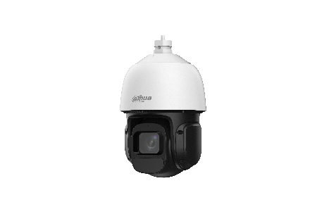 DH-SD3D216NB-GNY |  | 2MP | 16X | IR 80M | 1/2.8" 2Megapixel CMOS • 16x optical zoom • Starlight technology • Max. 25/30 fps@1080P • IR distance up to 80 m • IVS(Human/Vehicle Detection) • SMD 3.0 • IP66 • Smart Light + • Tour | Normal | IP66 | Metal + Plastic |  | Rp5,266,000 | 36% | Rp3,421,000 | 28% | Rp3,844,000 | 3 Years
1.0.01.07.15908-0002 | DH-SD3D416NB-GNY |  | 4MP | 16X | IR 80M | • 1/2.8" 4Megapixel CMOS • 16x optical zoom • Starlight technology • Max. 25/30 fps@4MP • IR distance up to 80 m • IVS(Human/Vehicle Detection) • SMD 3.0 • IP66 • Smart Light + • Tour | Normal | IP66 | Metal + Plastic |  | Rp6,631,000 | 36% | Rp4,307,000 | 28% | Rp4,840,000 | 3 Years
1.0.01.07.14951-0003 | DH-SD3E405DB-GNY-A-PV1 |  | 4MP | 5X | IR 50m | 1/2.8” 4Megapixel STARVIS™ CMOS 5x optical zoom Starlight technology Max. 25/30fps@4MP IR distance up to 50m Warm light illumination distance up to 30 m Siren and light active deterrence Auto-tracking Lite Perimeter protection Face detection SMD IP66 | Normal | IP66 | Plastic |  | Rp4,876,000 | 36% | Rp3,167,000 | 28% | Rp3,559,000 | 3 Years
2inch MiniPT
1.0.01.07.15509-0002 | DH-SD2A300NB-GNY-A-PV |  | 3MP | 4mm | Smart dual ligh IR 30M White LED 30M | 1/2.8" 3Megapixel CMOS. Max. 25/30 fps@3MP. Human/vehicle detecton. Tripwire, intrusion. H.265 encoding. POE. Two-way talk. Sound and light alarm. IR and white light, three night view modes. IP66. | Normal | IP66 | Plastic |  | Rp1,685,000 | 36% | Rp1,094,000 | 28% | Rp1,230,000 | 3 Years
1.0.01.07.15510-0003 | DH-SD2A500NB-GNY-A-PV |  | 5MP | 4mm | Smart dual ligh IR 30M White LED 30M | 1/2.8" 5Megapixel STARVIS™ CMOS. Max. 25/30fps@5MP. Human/vehicle detecton. Tripwire, intrusion. H.265 encoding. PoE. Two-way talk. Sound and light alarm. IR and white light, three night view modes. IP66. | Normal | IP66 | Plastic |  | Rp1,835,000 | 36% | Rp1,191,000 | 28% | Rp1,339,000 | 3 Years
1.0.01.07.15889-0007 | DH-SD2C400NA-B-PV-PRO |  | 4MP | 4mm | White LED 30M | 1/1.8" 4Megapixel CMOS. WizColor technology. Max. 25/30 fps@4MP. H.265 encoding. SMD3.0. Perimeter protection. Two-way Talk. Auto Tracking(Lite). Preset Patrol. IP66 protection. | Normal | IP66 | Plastic |  | Rp1,928,000 | 36% | Rp1,252,000 | 28% | Rp1,407,000 | 3 Years
1.0.01.04.46492-0005 | 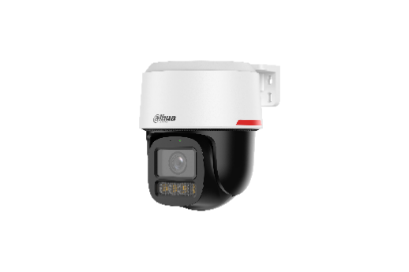 DH-IPC-PT2249C1-S-PV-PRO |  | 2MP | 3.6mm | White LED 30M | •1/2.8" 2Megapixel CMOS. •WizColor Technology. •Max. 25/30 fps@2MP. •H.265 Encoding. •SMD 3.0. •Perimeter Protection. •Two-way Talk. •Auto Tracking Lite. •Tour. •IP66 Protection. | Normal | IP66 | Plastic |  | Rp1,753,000 | 36% | Rp1,138,000 | 28% | Rp1,279,000 | 3 Years
1.0.01.04.46479-0009 | DH-IPC-PT2449C1-S-PV-PRO |  | 4MP | 3.6mm | White LED 30M | •1/1.8" 4Megapixel CMOS. •WizColor Technology. •Max. 25/30 fps@4MP. •H.265 Encoding. •SMD 3.0. •Perimeter Protection. •Two-way Talk. •Auto Tracking Lite. •Tour. •IP66 Protection. | Normal | IP66 | Plastic |  | Rp1,928,000 | 36% | Rp1,252,000 | 28% | Rp1,407,000 | 3 Years
1.0.01.04.46493-0005 | DH-IPC-PT2849C1-S-PV-PRO |  | 8MP | 3.6mm | White LED 30M | •1/1.8" 8 Megapixel CMOS. •WizColor Technology. •Max. 20 fps@8MP. •H.265 Encoding. •SMD 3.0. •Perimeter Protection. •Two-way Talk. •Auto Tracking Lite. •Tour. •IP66 Protection. | Normal | IP66 | Plastic |  | Rp2,507,000 | 36% | Rp1,628,000 | 28% | Rp1,830,000 | 3 Years
1.0.01.07.15677-0003 | DH-SDT2A200-2F-NB-A-PV |  | 2MP+2MP | 4mm+4mm | Smart dual ligh IR 30M White LED 30M | Displays videos in two channels at the same time. 1/2.8” 2Megapixel CMOS Human Detection and Vehicle Detection IR and warm light, three night view modes Two-way talk H.265 encoding Supports manual adjustment of fixed lens (Vertical: -10° to 15°) | Normal | IP66 | Plastic |  | Rp2,165,000 | 36% | Rp1,406,000 | 28% | Rp1,580,000 | 3 Years
1.0.01.04.45236-0007 | DH-IPC-PTS2249B-E2-S-PV-PRO |  | 2MP+2MP | 3.6mm+3.6mm | White LED 30M | ·2-MP 1/2.9" CMOS image sensor, low luminance, and high definition image. ·Outputs max. 2 MP (1920 × 1080)@25/30 fps. ·H.265 codec, high compression rate, ultra-low bit rate. ·Built-in warm light, and the max. illumination distance is 30 m. ·ROI, SMART H.264+/H.265+, flexible coding, applicable to various bandwidth and storage environments. ·Rotation mode, WDR, 3D NR, HLC, BLC, digital watermarking, applicable to various monitoring scenes. ·Intelligent monitoring: Intrusion, tripwire (the two functions support the classification and accurate detection of vehicle and human) ·Abnormality detection: Motion detection, video tampering, audio detection, no SD card, SD card full, SD card error, network disconnection, IP conflict, illegal access, and voltage detection. ·Supports max. 256 G Micro SD card; built-in Mic; built-in speaker; supports two-way talk. ·12 VDC/PoE power supply, easy for installation. ·IP66 protection. ·Sound and light alarm. ·SMD Plus. ·One-tap arming/disarming. | Normal | IP66 | Plastic |  | Rp3,333,000 | 36% | Rp2,165,000 | 28% | Rp2,433,000 | 3 Years
1.0.01.07.16245-0003 | 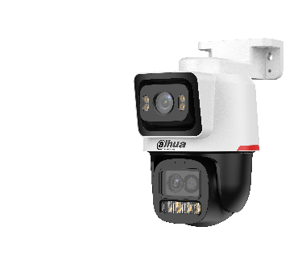 DH-IPC-PTS2449C-4E3Z-S-PV-PRO |  | 2MP+4MP | 6X | Fixed Lens: 30 m PT Lens: 50 m | ·Displays videos in two channels at the same time ·1/1.8" 4Megapixel CMOS and 1/2.8" 2Megapixel CMOS ·WizColor Technology ·Max. 25/30 fps@4MP and Max. 25/30 fps@2MP ·6x Hybrid Zoom ·H.265 Encoding ·SMD 3.0 ·Perimeter Protection ·Two-way Talk ·Auto Tracking Lite ·Tour | Normal | IP66 | Plastic |  | Rp4,332,000 | 36% | Rp2,814,000 | 28% | Rp3,162,000 | 3 Years

Transmission Series
Transmission
PN | Dahua Model | Port | Picture | Descriptions | Status | MSRP | Discount Off For DPP | DPP Price | Discount Off For Non DPP | Non DPP Price | Warranty
Cloud Management PoE Switch 100M
1.0.01.20.11802-0002 | DH-CS4006-4ET2GT-36 | 4FE PoE+2GE | 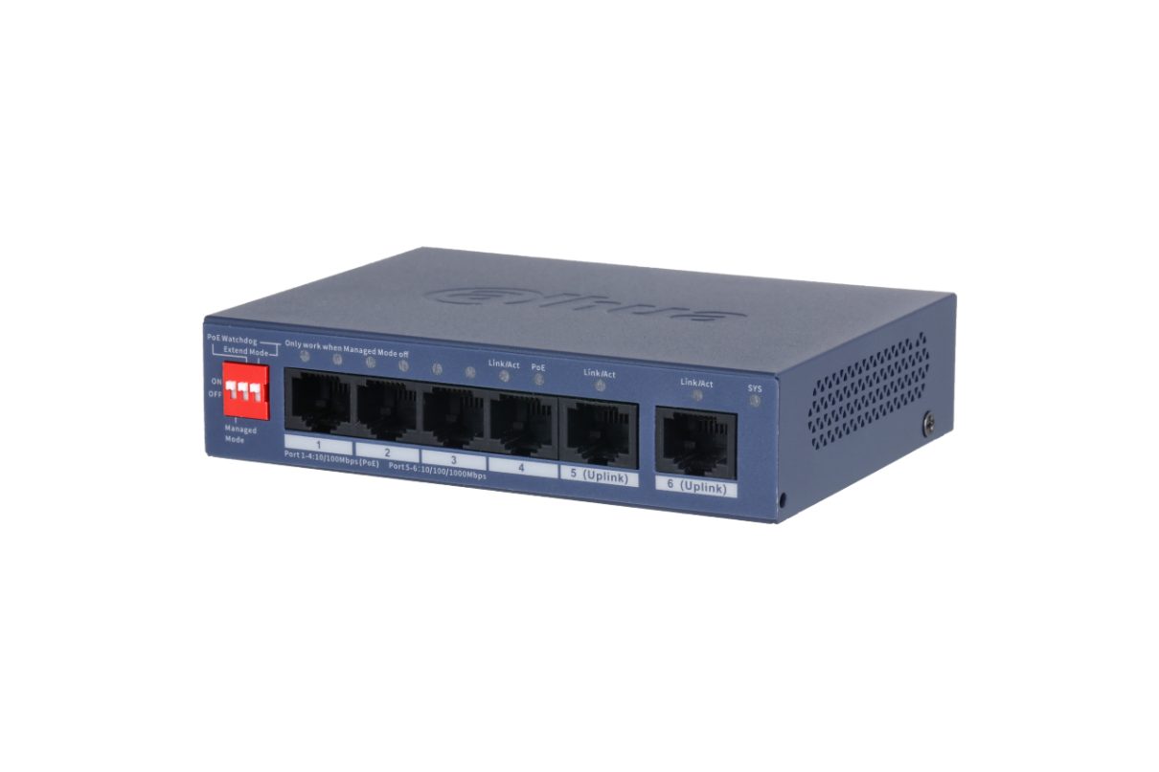 | 1.Supports cloud managed via DoLynk care 2.Auto-generates network toplogy simplifying management 3.Complies with IEEE802.3af, IEEE802.3at 4.Working in temperatures from-10°C to +55°C 5.Supports 250 m long distance PoE tansmission, PoE watchdog | Delisting Planning | Rp743,000 | 35% | Rp490,000 | 26% | Rp551,000 | 3 year
1.0.01.20.11246-0003 | DH-CS4006-4ET-60 | 4FE PoE+2GE |  | > Meets the requirements of IEEE802.3,IEEE802.3u,IEEE802.3x,IEEE802.3ab standards. > Meets the requirements of IEEE802.3af, IEEE802.3at, Hi-PoE power supply standards. > Manages PoE power consumption and PoE power on/off. Supports Intelligent PoE. > A wide operating temperature range and a full metal casing that is fully-enclosed and dust-proof. | Delisting Planning | Rp825,000 | 35% | Rp544,000 | 26% | Rp612,000 | 3 year
1.0.01.20.11469-0001 | DH-CS4010-8ET-60 | 8FE PoE+2GE |  | Meets the requirements of IEEE802.3,IEEE802.3u,IEEE802.3x,IEEE802.3ab standards. Meets the requirements of IEEE802.3af, IEEE802.3at, Hi-PoE power supply standards. Manages PoE power consumption and PoE power on/off. Supports Intelligent PoE. A wide operating temperature range and a full metal casing that is fully-enclosed and dust-proof. | Delisting Planning | Rp1,235,000 | 35% | Rp815,000 | 26% | Rp916,000 | 3 year
1.0.01.20.11245-0002 | DH-CS4010-8ET-110 | 8FE PoE+2GE |  | > Meets the requirements of IEEE802.3,IEEE802.3u,IEEE802.3x,IEEE802.3ab standards > Meets the requirements of IEEE802.3af, IEEE802.3at, Hi-PoE, and IEEE802.3bt power supply standards. > Manages PoE power consumption and PoE power on/off. Supports Intelligent PoE. > A wide operating temperature range and a full metal casing that is fully-enclosed and dust-proof. | Delisting Planning | Rp1,507,000 | 35% | Rp994,000 | 26% | Rp1,117,000 | 3 year
1.0.01.20.11259-0003 | DH-CS4218-16ET-240 | 16FE PoE+2GE |  | > Meets the requirements of IEEE802.3,IEEE802.3u,IEEE802.3x,IEEE802.3ab,IEEE802.3z standards. > Meets the requirements of IEEE802.3af, IEEE802.3at, Hi-PoE, and IEEE802.3bt power supply standards. > Manages PoE power consumption and PoE power on/off. Supports Intelligent PoE. > A wide operating temperature range and a full metal casing that is fully-enclosed and dust-proof. | Delisting Planning | Rp4,063,000 | 35% | Rp2,681,000 | 26% | Rp3,013,000 | 3 year
1.0.01.20.11260-0009 | DH-CS4226-24ET-240 | 24FE PoE+2GE |  | 1.Supports cloud managed via DoLynk care 2.Auto-generates network toplogy simplifying management 3.Complies with IEEE802.3af, IEEE802.3at, Hi-PoE & IEEE802.3bt, up to 90W for single port 4.Working in temperatures from-10°C to +55°C 5.Supports 250 m long distance PoE tansmission, PoE watchdog | Delisting Planning | Rp4,532,000 | 35% | Rp2,991,000 | 26% | Rp3,361,000 | 3 year
1.0.01.20.11261-0008 | DH-CS4226-24ET-375 | 24FE PoE+2GE |  | 1.Supports cloud managed via DoLynk care 2.Auto-generates network toplogy simplifying management 3.Complies with IEEE802.3af, IEEE802.3at, Hi-PoE & IEEE802.3bt, up to 90W for single port 4.Working in temperatures from-10°C to +55°C 5.Supports 250 m long distance PoE tansmission, PoE watchdog | Delisting Planning | Rp5,328,000 | 35% | Rp3,516,000 | 26% | Rp3,951,000 | 3 year
1.0.01.20.11811-0003 | DH-CS4006-4ET-60 | 4FE PoE+2GE | 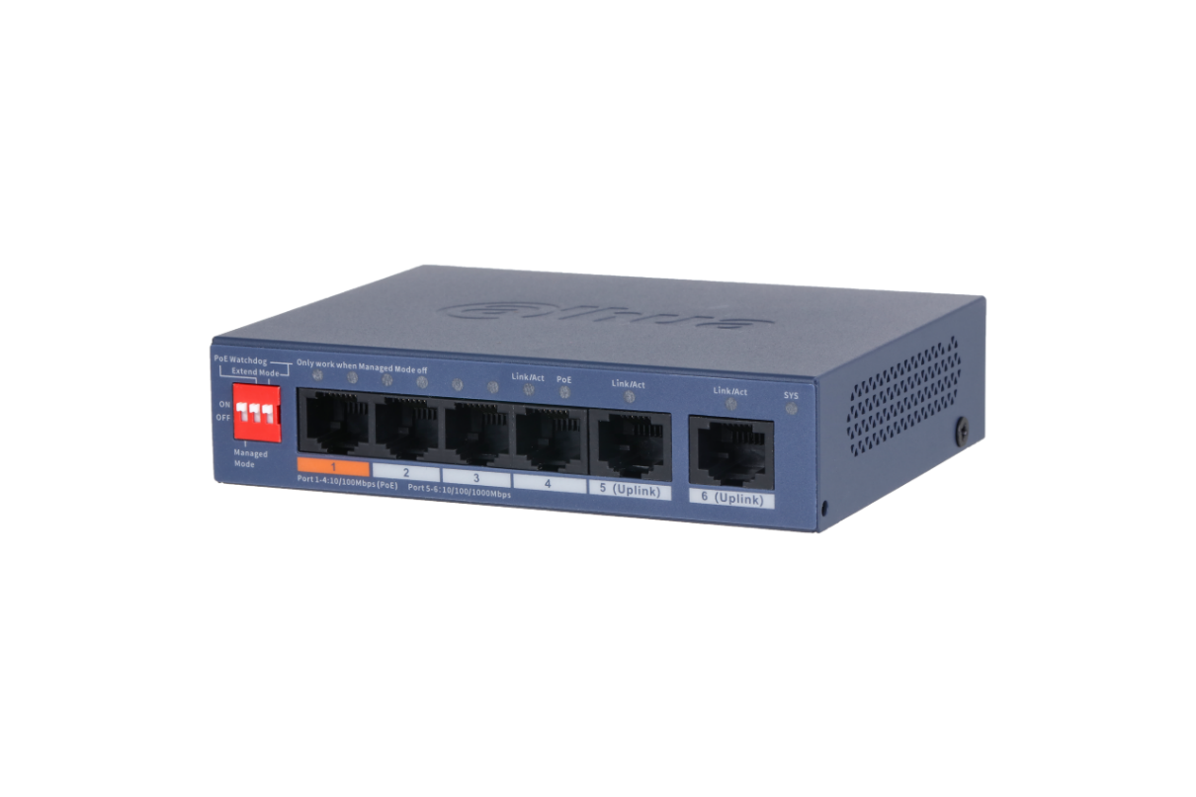 | 1.Supports cloud managed via DoLynk care 2.Auto-generates network toplogy simplifying management 3.Complies with IEEE802.3af, IEEE802.3at & Hi-PoE, up to 60W for single port 4.Working in temperatures from-10°C to +55°C 5.Supports 250 m long distance PoE tansmission, PoE watchdog | Normal | Rp884,000 | 35% | Rp583,000 | 26% | Rp656,000 | 3 year
1.0.01.20.11945-0006 | DH-CS4010-8ET-60 | 8FE PoE+2GE | 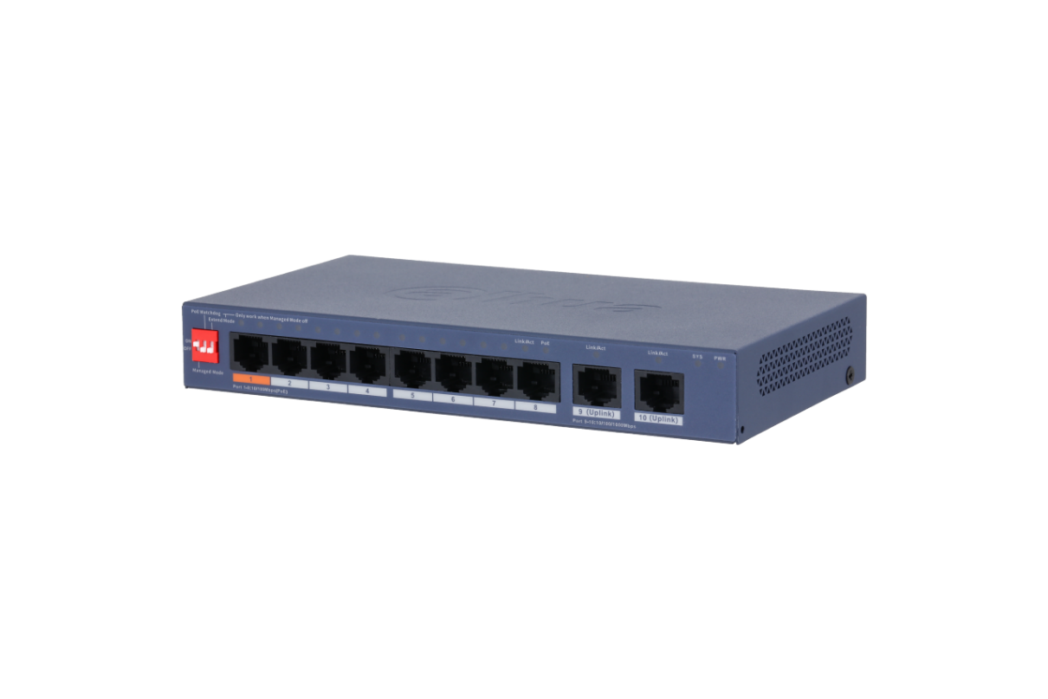 | 1.Supports cloud managed via DoLynk care 2.Auto-generates network toplogy simplifying management 3.Complies with IEEE802.3af, IEEE802.3at, Hi-PoE & IEEE802.3bt, up to 60W for single port 4.Working in temperatures from-10°C to +55°C 5.Supports 250 m long distance PoE tansmission, PoE watchdog | Normal | Rp1,322,000 | 35% | Rp872,000 | 26% | Rp980,000 | 3 year
1.0.01.20.11947-0005 | DH-CS4010-8ET-110 | 8FE PoE+2GE | 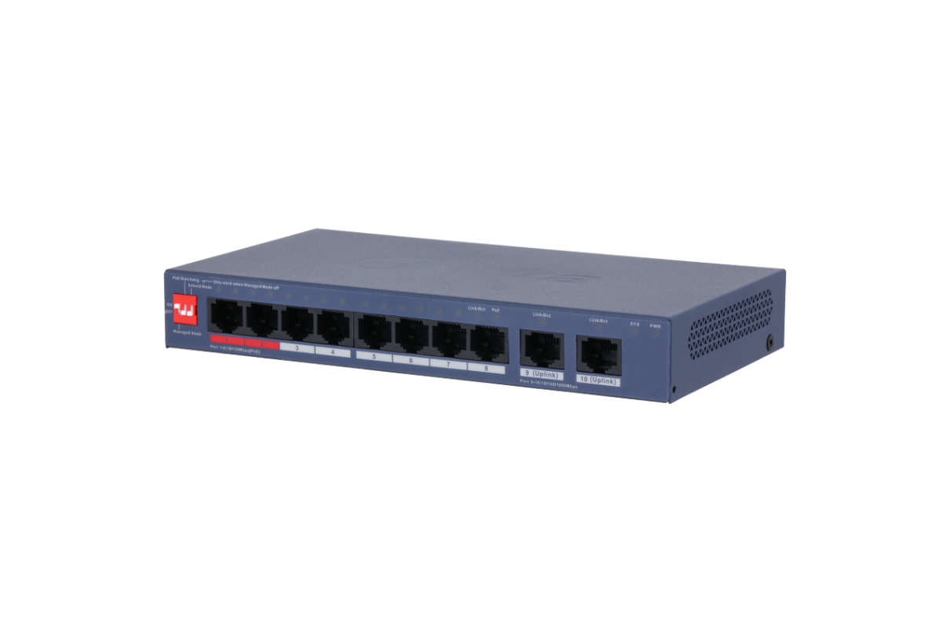 | 1.Supports cloud managed via DoLynk care 2.Auto-generates network toplogy simplifying management 3.Complies with IEEE802.3af, IEEE802.3at, Hi-PoE & IEEE802.3bt, up to 90W for single port 4.Working in temperatures from-10°C to +55°C 5.Supports 250 m long distance PoE tansmission, PoE watchdog | Normal | Rp1,614,000 | 35% | Rp1,065,000 | 26% | Rp1,197,000 | 3 year
1.0.01.20.12006-0001 | DH-CS4218-16ET-135 | 16FE PoE+2GE | 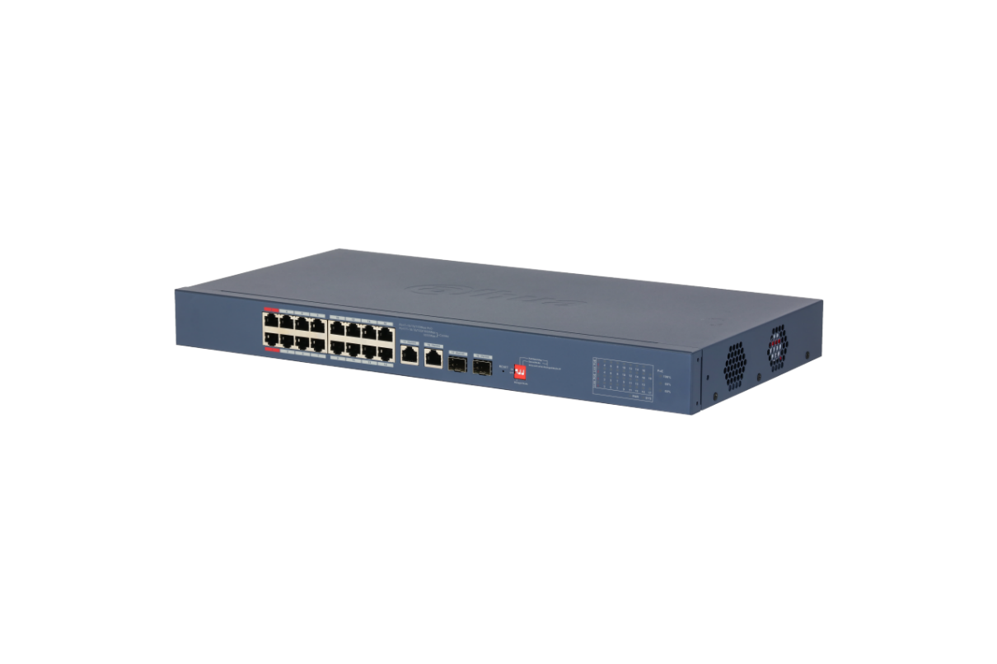 | 1. 16 × RJ45 10/100 Mbps PoE Ports, 2 Gigabit combo ports. 2. 135 W total PoE budget, 802.3af/at on all PoE port, additional 802.3bt on Red port. 3. DIP switch to fast turn ON/OFF working mode of Cloud-Managed, PoE Watchdog, 250 Meter Long Distance PoE. -10°C to 55°C wide working temperature. 4. Supports VLAN and loop protection. 5. WEB-managed and centralized cloud management through the DoLynk app and performs real-time monitoring of the network. 6. Easy config to auto detect and set up network and systems. | Normal | Rp3,647,000 | 35% | Rp2,407,000 | 26% | Rp2,705,000 | 3 year
1.0.01.20.12010-0007 | DH-CS4218-16ET-240 | 16FE PoE+2GE |  | 1. 16 × RJ45 10/100 Mbps PoE Ports, 2 Gigabit combo ports. 2. 240 W total PoE budget, 802.3af/at on all PoE port, additional 802.3bt on Red port. 3. DIP switch to fast turn ON/OFF working mode of Cloud-Managed, PoE Watchdog, 250 Meter Long Distance PoE. -10°C to 55°C wide working temperature. 4. Supports VLAN and loop protection. 5. WEB-managed and centralized cloud management through the DoLynk app and performs real-time monitoring of the network. 6. Easy config to auto detect and set up network and systems. | Normal | Rp4,347,000 | 35% | Rp2,869,000 | 26% | Rp3,224,000 | 3 year
1.0.01.20.12002-0006 | DH-CS4226-24ET-240 | 24FE PoE+2GE | 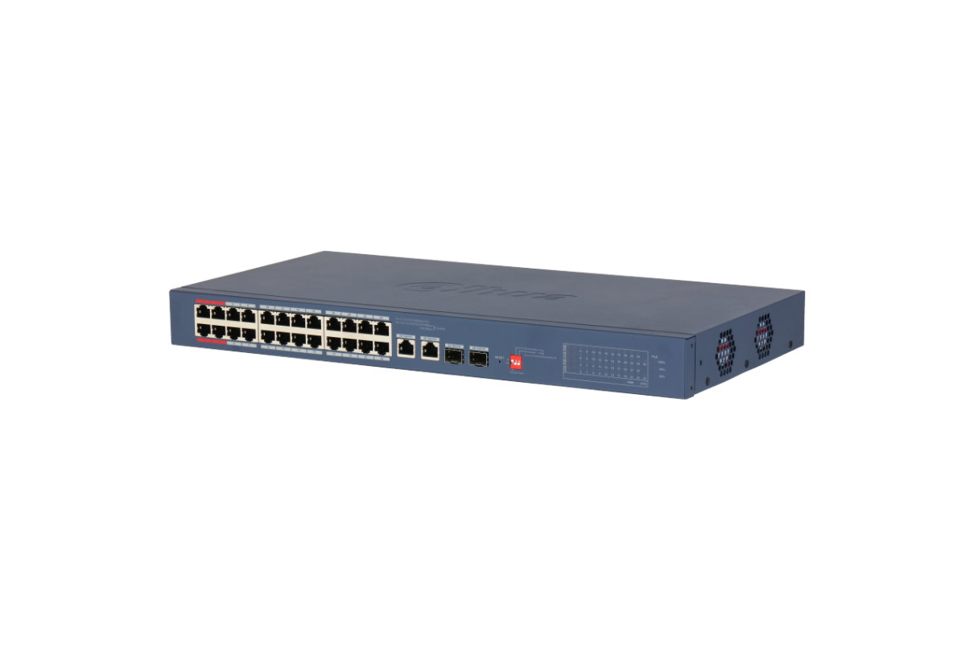 | 1. 24 × RJ45 10/100 Mbps PoE Ports, 2 Gigabit combo ports. 2. 240 W total PoE budget, 802.3af/at on all PoE port, additional 802.3bt on Red port. 3. DIP switch to fast turn ON/OFF working mode of Cloud-Managed, PoE Watchdog, 250 Meter Long 4. Distance PoE. -10°C to 55°C wide working temperature. 5. Supports VLAN and loop protection. 6. WEB-managed and centralized cloud management through the DoLynk app and performs real-time monitoring of the network. 7. Easy config to auto detect and set up network and systems. | Normal | Rp4,849,000 | 35% | Rp3,200,000 | 26% | Rp3,596,000 | 3 year
1.0.01.20.12004-0008 | DH-CS4226-24ET-375 | 24FE PoE+2GE |  | 1. 24 × RJ45 10/100 Mbps PoE Ports, 2 Gigabit combo ports. 2. 375 W total PoE budget, 802.3af/at on all PoE port, additional 802.3bt on Red port. 3. DIP switch to fast turn ON/OFF working mode of Cloud-Managed, PoE Watchdog, 250 Meter Long 4. Distance PoE. -10°C to 55°C wide working temperature. 5. Supports VLAN and loop protection. 6. WEB-managed and centralized cloud management through the DoLynk app and performs real-time monitoring of the network. 7. Easy config to auto detect and set up network and systems. | Normal | Rp5,704,000 | 35% | Rp3,764,000 | 26% | Rp4,230,000 | 3 year
Cloud Management PoE Switch 1000M
1.0.01.20.11243-0003 | DH-CS4006-4GT-60 | 4GE PoE+2GE | 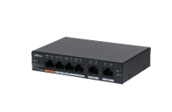 | > Meets the requirements of IEEE802.3,IEEE802.3u,IEEE802.3x,IEEE802.3ab standards. > Meets the requirements of IEEE802.3af, IEEE802.3at, Hi-PoE power supply standards. > Manages PoE power consumption and PoE power on/off. Supports Intelligent PoE. > A wide operating temperature range and a full metal casing that is fully-enclosed and dust-proof. | Delisting Planning | Rp1,054,000 | 35% | Rp695,000 | 26% | Rp781,000 | 3 year
1.0.01.20.11244-0002 | DH-CS4010-8GT-110 | 8GE PoE+2GE | 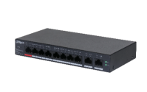 | > Meets the requirements of IEEE802.3,IEEE802.3u,IEEE802.3x,IEEE802.3ab standards > Meets the requirements of IEEE802.3af, IEEE802.3at, Hi-PoE, and IEEE802.3bt power supply standards. > Manages PoE power consumption and PoE power on/off. Supports Intelligent PoE. > A wide operating temperature range and a full metal casing that is fully-enclosed and dust-proof. | Delisting Planning | Rp1,961,000 | 35% | Rp1,294,000 | 26% | Rp1,454,000 | 3 year
1.0.01.20.11255-0008 | DH-CS4228-24GT-240 | 24GE PoE+2GE+2SFP |  | 1.Supports cloud managed via DoLynk care 2.Auto-generates network toplogy simplifying management 3.Complies with IEEE802.3af, IEEE802.3at, Hi-PoE & IEEE802.3bt, up to 90W for single port 4.Working in temperatures from-10°C to +55°C 5.Supports 250 m long distance PoE tansmission, PoE watchdog 6.Compatible with STP/RSTP, enhance the stability. | Delisting Planning | Rp5,973,000 | 35% | Rp3,942,000 | 26% | Rp4,430,000 | 3 year
1.0.01.20.11815-0007 | DH-CS4006-4GT-60 | 4GE PoE+2GE | 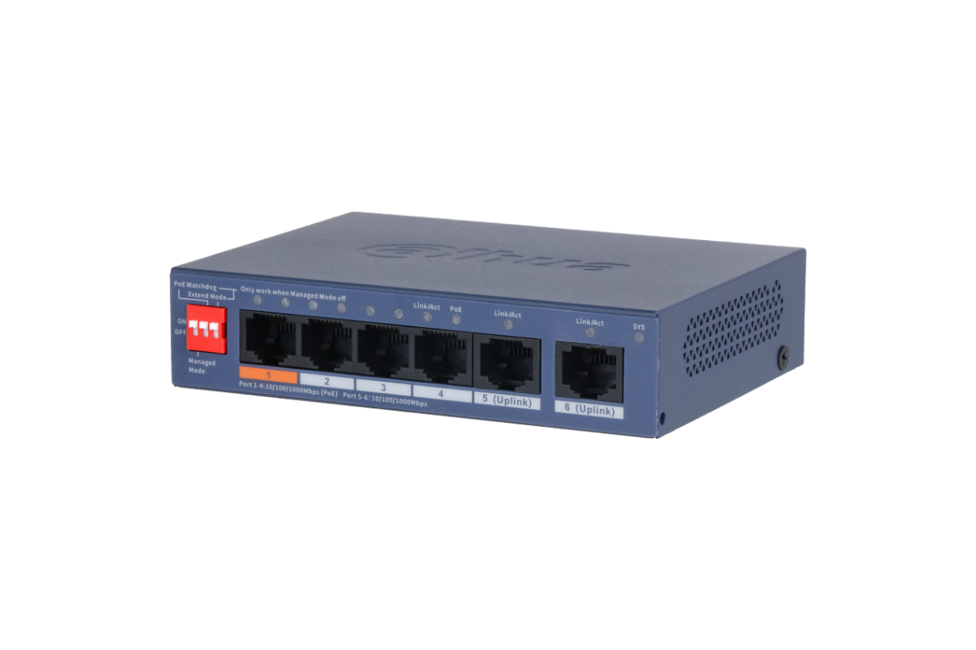 | 1.Supports cloud managed via DoLynk care 2.Auto-generates network toplogy simplifying management 3.Complies with IEEE802.3af, IEEE802.3at & Hi-PoE, up to 60W for single port 4.Working in temperatures from-10°C to +55°C 5.Supports 250 m long distance PoE tansmission, PoE watchdog | Normal | Rp1,134,000 | 35% | Rp748,000 | 26% | Rp841,000 | 3 year
1.0.01.20.11935-0001 | DH-CS4010-8GT-60 | 8GE PoE+2GE | 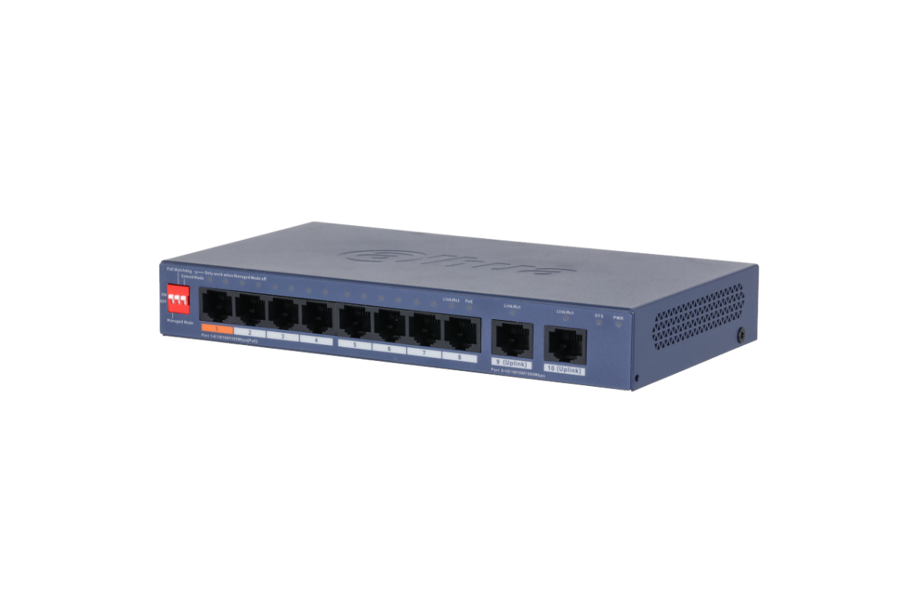 | 1.Supports cloud managed via DoLynk care 2.Auto-generates network toplogy simplifying management 3.Complies with IEEE802.3af, IEEE802.3at & Hi-PoE, up to 60W for single port 4.Working in temperatures from-10°C to +55°C 5.Supports 250 m long distance PoE tansmission, PoE watchdog 6.Compatible with STP/RSTP, enhance the stability. | Normal | Rp1,482,000 | 35% | Rp978,000 | 26% | Rp1,099,000 | 3 year
1.0.01.20.11939-0006 | DH-CS4010-8GT-110 | 8GE PoE+2GE | 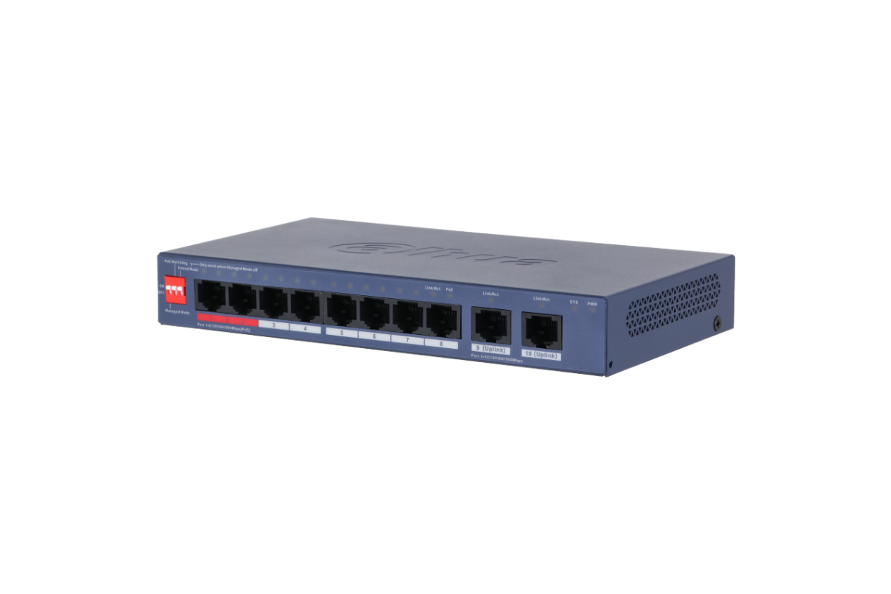 | 1. 8 × RJ-45 Gigabit PoE ports, 2 × RJ-45 Gigabit ports. 2. 110 W total PoE budget, 802.3af/at on all PoE ports, 802.3bt on red ports. 3. DIP switch to fast turn on/off working mode of Cloud-Managed, PoE Watchdog, Long Distance PoE. 4. Wide operating temperature ranging from –10 °C to 55 °C. 5. Supports VLAN, STP, RSTP and link aggregation. 6. WEB-managed and centralized cloud management through the DoLynk App and performs real-time monitoring of the network. 7. Easy config to auto detect and set up network and systems. | Normal | Rp2,099,000 | 35% | Rp1,385,000 | 26% | Rp1,557,000 | 3 year
1.0.01.20.11965-0001 | DH-CS4220-16GT-135 | 16GE PoE+2GE | 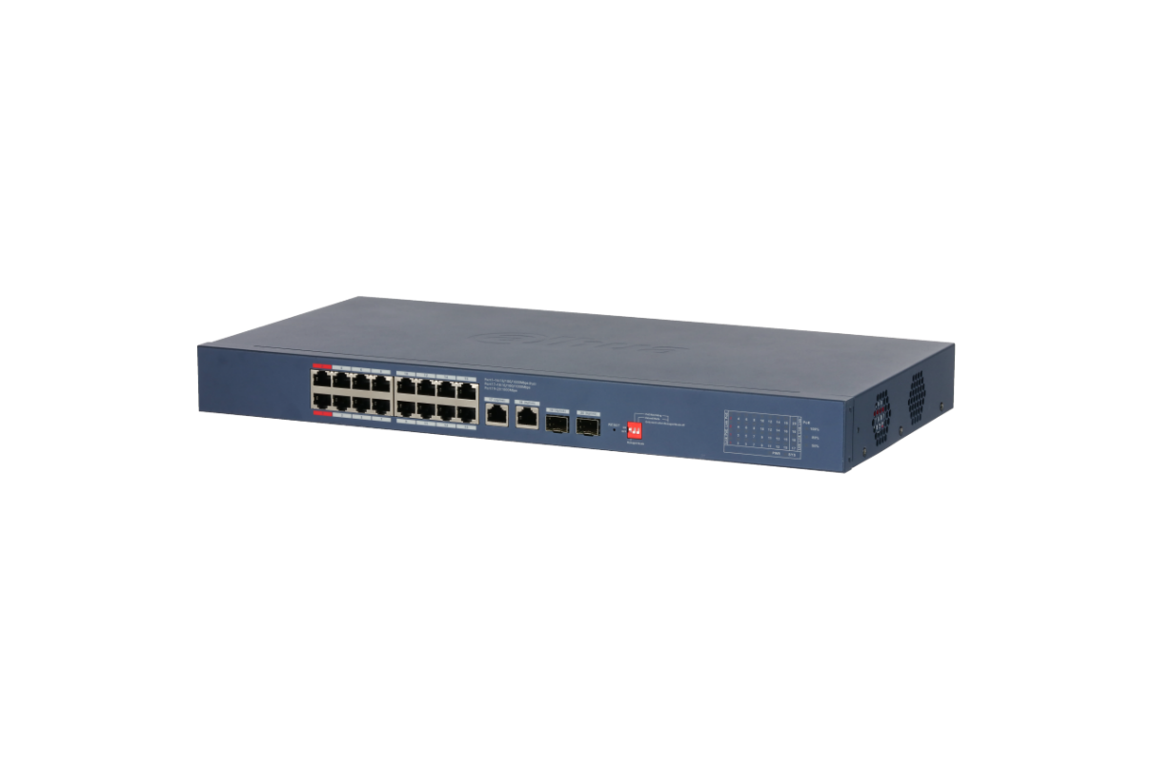 | 1.Supports cloud managed via DoLynk care 2.Auto-generates network toplogy simplifying management 3.Complies with IEEE802.3af, IEEE802.3at & Hi-PoE, up to 90W for single port 4.Working in temperatures from-10°C to +55°C 5.Supports 250 m long distance PoE tansmission, PoE watchdog 6.Compatible with STP/RSTP, enhance the stability. | Normal | Rp4,385,000 | 35% | Rp2,894,000 | 26% | Rp3,252,000 | 3 year
1.0.01.20.11961-0005 | DH-CS4228-24GT-240 | 24GE PoE+2GE+2SFP | 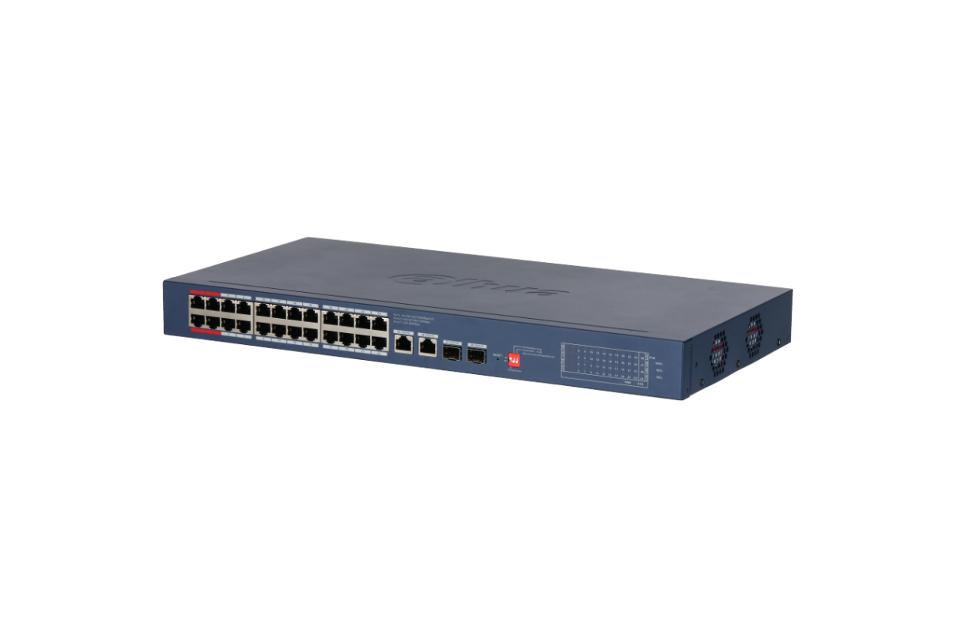 | 1.Supports cloud managed via DoLynk care 2.Auto-generates network toplogy simplifying management 3.Complies with IEEE802.3af, IEEE802.3at & Hi-PoE, up to 90W for single port 4.Working in temperatures from-10°C to +55°C 5.Supports 250 m long distance PoE tansmission, PoE watchdog 7.Compatible with STP/RSTP, enhance the stability. | Normal | Rp6,396,000 | 35% | Rp4,221,000 | 26% | Rp4,743,000 | 3 year
Desktop POE Switch
1.0.01.20.11850-0004 | S3006-4ET-60 | 4FE PoE+2FE | 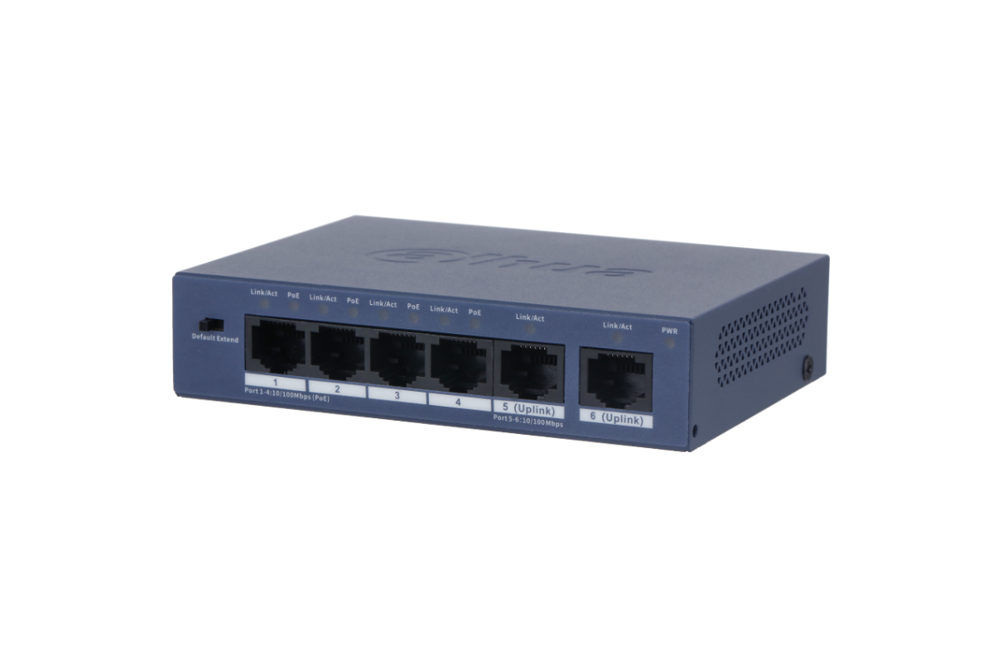 | Easy to install, and is plug and play. Meets the requirements of IEEE802.3af and IEEE802.3at standards. Performs long-distance transmission. With its solid full metal design, the device has great heat dissipation and no fan. Wide operating temperature ranging from –10 °C to +55 °C. Supports wall mount and desktop mount. | Normal | Rp547,000 | 35% | Rp361,000 | 26% | Rp406,000 | 3 year
1.0.01.20.11853-0003 | S3010-8ET2ET-60 | 8FE PoE+2FE | 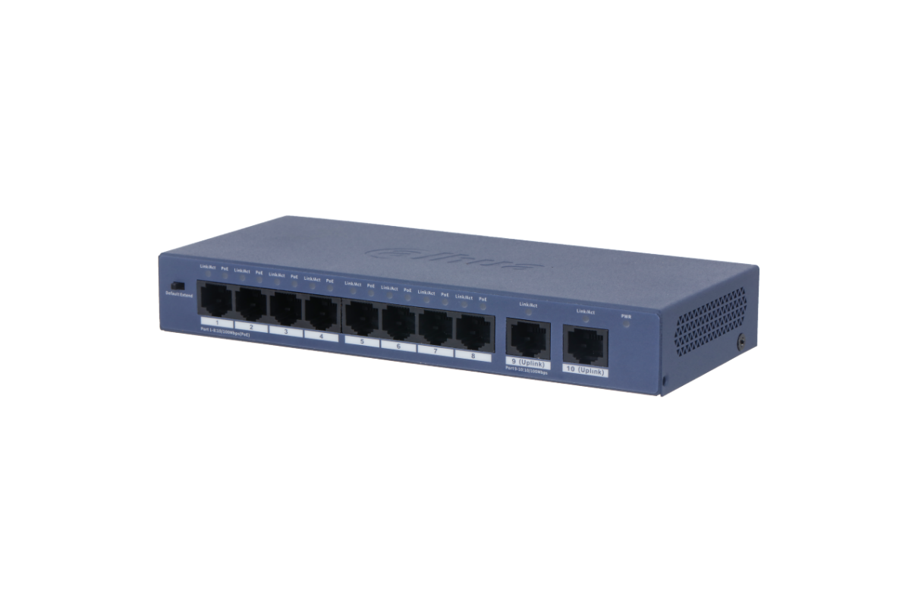 | Easy to install, and is plug and play. Meets the requirements of IEEE802.3af and IEEE802.3at standards. Performs long-distance transmission. With its solid full metal design, the device has great heat dissipation and no fan. Wide operating temperature ranging from –10 °C to +55 °C. Supports wall mount and desktop mount. | Normal | Rp867,000 | 35% | Rp572,000 | 26% | Rp643,000 | 3 year
1.0.01.20.11068 | DH-LR2110-8ET-120 | 8FE PoE+1GE | 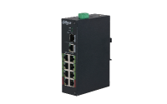 | L2 Managed ePoE Switch 1x100/1000 Base-X 1x10/100/1000 Base-T 8x10/100 Base-T(8 ePoE) Port1,5≤60W, Others≤30W, Total≤120W IEEE802.3af, IEEE802.3at, Hi-PoE transmission distance up to 800m via UTP | Normal | Rp4,008,000 | 35% | Rp2,645,000 | 26% | Rp2,972,000 | 3 year
1.0.01.20.10608 | DH-PFS3110-8ET-96 | 8 Port 100Mbps |  | 10-Port Unmanaged Desktop Switch with 8 Port PoE * The parameters and datasheets below can only be applied to V2.0 (version 2.0) > Intelligent PoE > BT 90W > 8-pin assignment PoE power supply > Long distance PoE > PoE watchdog > Wide working temperature | Normal | Rp1,929,000 | 35% | Rp1,273,000 | 26% | Rp1,431,000 | 3 year
Soho Switch
1.0.01.20.11357-0002 | DH-SF1005L | 5FE | 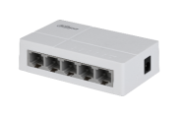 | Switching Capacity: 1Gbps Packet Forwarding Rate 0.744Mpps | Normal | Rp132,000 | 35% | Rp87,000 | 26% | Rp98,000 | 3 year
1.0.01.20.11359-0002 | DH-SF1008L | 8FE |  | Switching Capacity: 1.6 Gbps Packet Forwarding Rate 1.19Mpps | Normal | Rp164,000 | 35% | Rp108,000 | 26% | Rp122,000 | 3 year
1.0.01.20.10935-0002 | DH-PFS3005-5GT-L | 5GE |  | · Compact Design : Miniature size & light weight, make it easy to deploy. · Plug & Play : No configuration required. · Green Technology : Adpot high quality environmentally friendly plastic. · 7x24H : Stable performance for long term operation. · Ethernet Port : 5 Port. · Switching Capacity : 16 Gbps. | Normal | Rp210,000 | 35% | Rp138,000 | 26% | Rp156,000 | 3 year
1.0.01.20.10939-0003 | DH-PFS3008-8GT-L | 8GE |  | · Compact Design : Miniature size & light weight, make it easy to deploy. · Plug & Play : No configuration required. · Green Technology : Adpot high quality environmentally friendly plastic. · 7x24H : Stable performance for long term operation. · Ethernet Port : 8 Port. · Switching Capacity : 16 Gbps. | Normal | Rp340,000 | 35% | Rp224,000 | 26% | Rp252,000 | 3 year
Accessories
1.0.99.01.10079 | DH-PFM800-4K | 1 channel passive HDCVI balun |  | Video balun HDCVI 4K/4MP/200m, 1080P/250m, 720P/400m Also support AHD, TVI, CVBS CE/FCC | Normal | Rp85,000 | 35% | Rp56,000 | 26% | Rp63,000 | 2 year
1.0.99.60.10033 | DH-PFM800-E | 1 Channel Passive HDCVI Balun (20 pairs/Box) |  | HDCVI balun 1080P/250m Support AHD, TVI, CVBS, CE/FCC Transmits live video signals over UTP CAT5E/CAT6 cable. No additional power supply is required. Comes with female BNC connectors and pluggable screw terminal connections. | Normal | Rp1,047,000 | 35% | Rp691,000 | 26% | Rp777,000 | 2 year
1.5.01.98.30963 | DHI-W-HDMI3-4K@60 | HDMI cable |  | Pure oxygen-free copper PVC Gold-plated connector 4K@60HZ | Normal | Rp76,000 | 35% | Rp50,000 | 25% | Rp57,000 | 2 year
1.0.01.20.10252 | LR1002 | EoC Passive Converter |  | EoC Passive Converter > Supports IEEE802.3, IEEE802.3u standards > Port: 1*RJ45 10/100Mbps, 1*BNC > Supports RG59 coaxial cable: 400m/100Mbps, 1000m/10Mbps > Supports MDI/MDIX self-adaption > Supports long range power supply transmission via coaxial cable | Normal | Rp235,000 | 35% | Rp155,000 | 26% | Rp175,000 | 1 year
1.0.01.20.11008 | DH-LR1002-1ET | Buy Together |  | Single-Port Long Reach Ethernet over Coax Extender > Supports IEEE802.3, IEEE802.3u standards > Supports IEEE802.3af and IEEE802.3at power supply standards > Port: 1*RJ45 10/100Mbps, 1*BNC > Supports RG59 coaxial cable: 400m/100Mbps, 1000m/10Mbps > Supports MDI/MDIX self-adaption > Supports long range power supply transmission via coaxial cable | Normal | Rp508,000 | 35% | Rp335,000 | 26% | Rp377,000 | 2 year
1.0.01.20.11009 | DH-LR1002-1EC |  |  | Single-Port Long Reach Ethernet over Coax Extender > Supports IEEE802.3, IEEE802.3u standards > Supports IEEE802.3af and IEEE802.3at power supply standards > Port: 1*RJ45 10/100Mbps, 1*BNC > Supports RG59 coaxial cable: 400m/100Mbps, 1000m/10Mbps > Supports MDI/MDIX self-adaption > Supports long range power supply transmission via coaxial cable | Normal | Rp508,000 | 35% | Rp335,000 | 26% | Rp377,000 | 2 year
1.0.01.20.10100 | PFT1200 | Hi-PoE Midspan | 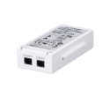 | Hi-PoE Midspan > Support PoE for Hi-PoE 60W high power consumption speed dome > Indicator status: power (normal power on), PoE (normal power supply) > Cooperate with PoE Extender (PFT1300), able to cascade level 2 PoE Extender, connect to 3 IPC (power consumption Installation mode: wall mount | Normal | Rp779,000 | 35% | Rp514,000 | 26% | Rp578,000 | 2 year
1.0.01.20.10111-0006 | PFT1300 | PoE Extender | 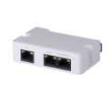 | PoE Extender > Support passive PoE cascade power supply and Ethernet data exchange > Support IEEE 802.3af/at standard power supply IP Camera > Cooperate with High PoE Midspan (PFT1200), able to cascade level 2 PoE Extender, connect to 3 IPC (total power consumption ≤25W), max transmission distance 300m > 1*RJ45 10/100M PoE power supply input; 1*RJ45 10/100M supply power for IP Cam; 1*RJ45 10/100M supply power for the next extender > Installation mode: junction box internal mounting, DIN rail mounting | Normal | Rp779,000 | 35% | Rp514,000 | 26% | Rp578,000 | 2 year

PSU&UPS
Power Supply & UPS
PN | Dahua Model | Picture | Power | Descriptions | Status | MSRP | Discount Off For DPP | DPP Price | Discount Off For Non DPP | Non DPP Price | Warranty
Power Supply
1.0.99.19.10161-0009 | DH-PFM344D-4CH-EN |  | 4ch output | · Multi-output DC12V switching power. · 3 level Output voltage adjustable: 12/13.5/15VDC · Professional wall-mounted installation. · Shell flame resistance V-0 level. · Input voltage range:100 VAC – 240 VAC | Normal | Rp168,000 | 40% | Rp102,000 | 33% | Rp114,000 | 2 year
1.0.99.19.10164-0009 | DH-PFM344D-8CH-EN |  | 8ch output | · Multi-output DC12V switching power. · 3 level Output voltage adjustable: 12/13.5/15VDC · Professional wall-mounted installation. · Shell flame resistance V-0 level. · Input voltage range:100 VAC – 240 VAC | Normal | Rp209,000 | 40% | Rp127,000 | 32% | Rp143,000 | 2 year
UPS
1.0.99.19.10112-0001 | DH-PFM350-360-A | 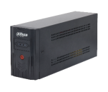 | Mains supply: 360 W Battery powered: 280 W | Easily adapts to different power grid environments through its wide voltage range between 150–275 V. Includes AVR to ensure voltage output remains stable. Automatically switches power supply modes when there is a power failure, overvoltage or undervoltage, ensuring the voltage output remains stable. Supports charging and cold start even when the device is shutdown. Protects itself when it is overloaded, heavily discharged or overcharged. | Delisted | Rp804,000 | 40% | Rp487,000 | 32% | Rp547,000 | 1 year
1.0.99.19.10113-0001 | DH-PFM350-480-A |  | Mains supply: 480 W Battery powered: 380 W | Easily adapts to different power grid environments through its wide voltage range between 150–275 V. Includes AVR to ensure voltage output remains stable. Automatically switches power supply modes when there is a power failure, overvoltage or undervoltage, ensuring the voltage output remains stable. Supports charging and cold start even when the device is shutdown. Protects itself when it is overloaded, heavily discharged or overcharged. | Delisted | Rp1,085,000 | 40% | Rp657,000 | 32% | Rp738,000 | 1 year
1.0.99.19.10114-0001 | DH-PFM350-720-A | 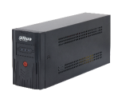 | Mains supply: 720 W Battery powered: 530 W | Easily adapts to different power grid environments through its wide voltage range between 150–275 V. Includes AVR to ensure voltage output remains stable. Automatically switches power supply modes when there is a power failure, overvoltage or undervoltage, ensuring the voltage output remains stable. Supports charging and cold start even when the device is shutdown. Protects itself when it is overloaded, heavily discharged or overcharged. | Delisted | Rp1,609,000 | 40% | Rp975,000 | 33% | Rp1,093,000 | 1 year
1.0.99.19.10173-0001 | DH-PFM3350-600 | 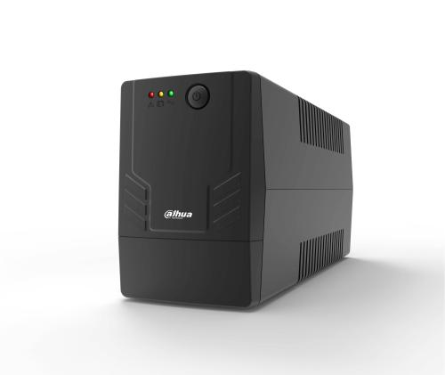 | 600 VA, 360 W | Comes with a wide voltage input range of 170–280 VAC, and easily adapts to fluctuations and various grid environments. Operates quietly for a serene environment. Offers digital voltage stabilization. Fast charging in just 4 hours. Rapid switching of 4-8 milliseconds. Protects against overload, short circuit, overcharging, and over-discharge. | Normal | Rp815,000 | 40% | Rp495,000 | 32% | Rp555,000 | 1 year
1.0.99.19.10176-0001 | DH-PFM3350-1000 |  | 1000 VA, 600 W | Comes with a wide voltage input range of 170–280 VAC, and easily adapts to fluctuations and various grid environments. Operates quietly for a serene environment. Offers digital voltage stabilization. Fast charging in just 4 hours. Rapid switching of 4-8 milliseconds. Protects against overload, short circuit, overcharging, and over-discharge. | Normal | Rp1,095,000 | 40% | Rp665,000 | 32% | Rp745,000 | 1 year
1.0.99.19.10179-0005 | DH-PFM3350-1500 |  | 1500 VA, 900 W | Comes with a wide voltage input range of 170–280 VAC, and easily adapts to fluctuations and various grid environments. Operates quietly for a serene environment. Offers digital voltage stabilization and automatically adjusts the voltage. Fast charging in just 4 hours. Rapid switching of 4-8 milliseconds. Protects against overload, short circuit, overcharging, and over-discharge. | Normal | Rp2,465,000 | 40% | Rp1,491,000 | 33% | Rp1,675,000 | 1 year

Cable Series
Cabel Series
PN | Dahua Model | Picture | Spec | Descriptions | Status | MSRP | Discount Off For DPP | DPP Price | Discount Off For Non DPP | Non DPP Price | Warranty
Network Cable
1.0.99.50.10415-0003 | DH-PFM920I-6UN-CN |  | Grey Color CAT6 305m/1000ft Oxygen free copper(99.97%) PVC Sheath+UL CM certified | 305 m (1000 ft)/carton UTP CAT6, power over Ethernet, compatible with one cable · High-purity oxygen-free copper conductor · Customized PVC outer sheath; Have certain flame retardant properties · Meet ANSI TIA 568C.2 and CPR Eca standards | Normal | Rp2,645,000 | 28% | Rp1,915,000 | 19% | Rp2,155,000 | 10 year
1.0.99.50.10127-0029 | DH-PFM922I-6UN-C-O |  | Orange Color CAT6 305m/1000ft 0.57mm 23AGW CCA PVC Sheath+CE CPR certified | (UTP CAT6 PVC CPR)-0.57mm-Orange-305m-DH-PFM922I-6UN-C | Normal | Rp1,215,000 | 28% | Rp879,000 | 19% | Rp989,000 | 10 year
1.0.99.50.10127-0030 | DH-PFM922I-6UN-C-B |  | Bule Color CAT6 305m/1000ft 0.57mm 23AGW CCA PVC Sheath+CE CPR certified | (UTP CAT6 PVC CPR)-0.57mm-Orange-305m-DH-PFM922I-6UN-C | Normal | Rp1,215,000 | 28% | Rp879,000 | 19% | Rp989,000 | 10 year
Coaxial Cable
1.0.99.50.10269-002 | DH-PFM941I-RG59N/21-300 |  | RG59 305m 0.75MM CCA PVC insulation+CE CPR certified | 300m RG59 with power cable, transmit both data and power, wooden spool in carton; | Normal | Rp1,175,000 | 28% | Rp850,000 | 19% | Rp956,000 | 10 year
1.0.99.50.10271-001 | DH-PFM941I-RG6N/21-300 |  | RG6 305m 0.8MM CCA PVC insulation+CE CPR certified | 300m RG6 with power cable, transmit both data and power, wooden spool in carton; | Normal | Rp1,325,000 | 28% | Rp959,000 | 19% | Rp1,079,000 | 10 year
1.0.99.50.10270-002 | DH-PFM941I-RG59N/21-100 |  | RG59 100m 0.75MM CCA PVC insulation+CE CPR certified | 100m RG59 with power cable, transmit both data and power, wooden spool; Professional quality cable for use with most CCTV camera systems; Easy for storage and installation; Environmentally-friendly outer sheath, meet the CPR E class. | Normal | Rp391,000 | 28% | Rp285,000 | 19% | Rp319,000 | 10 year
Cable Accessory
1.0.99.17.10022-0001 | DH-PFM976-BNCQ9S |  | BNC female connector 50pcs/Box | .The BNC female connector makes connecting convenient, and does not require welding. · Eco-friendly, meets the RoHS standard. · Highly reliable, convenient to connect and easy to use. | Normal | Rp230,000 | 30% | Rp163,000 | 21% | Rp183,000 | 10 year
1.0.99.17.10021-0001 | DH-PFM976-BNCQ9P | 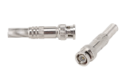 | BNC male connector 50pcs/Box | · The BNC male connector makes connecting convenient, and does not require welding. · Eco-friendly, meets the RoHS standard. · Highly reliable, convenient to connect and easy to use. | Normal | Rp271,000 | 30% | Rp192,000 | 21% | Rp216,000 | 10 year
1.0.99.17.10011 | DH-PFM976-631-PT |  | RJ-45 connector 100pcs/Box | · Unshielded CAT6 RJ-45 connector. · Designed with a through hole for cables to be fed through. · Built with trident brass sheet and 15U" gold plating. · Lifespan of 750 cycles | Normal | Rp129,000 | 30% | Rp91,000 | 21% | Rp102,000 | 3 year

TV Series
Dahua TV
PN | Dahua Model | Picture | Size | Key Spec | Descriptions | Status | MSRP/Online Price | Warranty
1.5.01.98.56029 | DHI-LTV43-SD200 |  | 43 inch | Android TV FHD, 1GB RAM+8GB ROM Android 11 | ·178°H/178°V extra-wide viewing angle for overall viewingperformance ·Support the adjustment of brightness,contrast,color anddefinition of the display ·8ms fast response time with no image blurring or ghosting ·Support multiple signal inputs ·Professional thermal design to extend equipment lifespan ·Physical button and infrared remote dual control mode | Normal | Rp2,699,000 | 3 year
1.5.01.98.56028 | DHI-LTV43-SD400 | 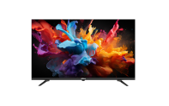 | 43 inch | Google 5.0 TV UHD/4K, 2GB RAM+8GB ROM Android 14 Dolby Digital + Dolby Digital Plus | ·Supports downloading apps from Google Play such as YouTube,Netflix,and Google Meet. ·178°H/178°V extra-wide viewing angle for overall viewingperformance. ·Support the adjustment of brightness,contrast and color of thedisplay. ·Support multiple signal inputs. ·Professional thermal design to extend equipment lifespan. ·Physical button and infrared remote dual control mode | Normal | Rp3,199,000 | 3 year

Monitor Series
Monitor
PN | Dahua Model | Picture | Size | Key Spec | Descriptions | Status | DPP Price | MSRP/Online Price | Warranty
Commercial Series
1.5.01.98.54723 | DHI-LM19-A202F |  | 19inch | 1366*768 screen 75hz refreash rate VESA 75*75mm | · High fidelity digital processing for a brilliant and vivid video; · 5ms fast response time with no image blurring or ghosting; · 16.7M colors, for a realistic and immersive visual experience; · Low energy consumption, long service life | Normal | Rp745,000 | Rp920,000 | 3 year
1.5.01.98.52596 | DHI-LM22-A200Y |  | 22inch | 1920*1080 screen 100hz refreash rate VESA 75*75mm SPEAKER | · Light and cost-effective plastic housing; · Ultra-narrow bezel , elegant appearance, plastic base; · 178°H/178°V extra-wide viewing angle for overall viewing performance; · High fidelity digital processing for a brilliant and vivid video; · Support multiple signal inputs such as HDMI, VGA; · Physical button control mode; · Low energy consumption, long service life; · Anti-blue light design,eye-protective. | Normal | Rp869,000 | Rp1,075,000 | 3 year
1.5.01.98.52595 | DHI-LM24-A201F | 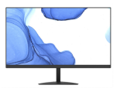 | 24inch | 1920*1080 IPS screen 100hz refreash rate VESA 75*75mm | · Light and cost-effective plastic housing, 3side boldless · Physical resolution of 1920×1080 · High fidelity digital processing for a brilliant and vivid video · 5ms fast response time with no image blurring or ghosting · 178°(H)/178°(V) wide viewing angle | Normal | Rp1,024,000 | Rp1,269,000 | 3 year
Gaming Series
1.0.99.12.10623-0003 | DHI-LM25-E231B | 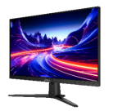 | 25inch | 1920*1080 IPS screen 85% NTSC 300cd/㎡ brightness +200hz refreash rate Adaptive Sync + VESA 100*100mm HDMI 2.0 x1 DP 1.4 x1 Audio out *1 | Wide color gamut, 85% NTSC. It meets the designer's demand of image texture. 178°H/178°V extra-wide viewing angle for all-round viewing performance. Adaptive sync can effectively solve picture lagging and tearing problems. 0.5 ms fast response time with no image blurring or ghosting (with OD). | Normal | Rp1,390,000 | Rp1,699,000 | 3 year
1.0.99.12.10454-0002 | DHI-LM27-E231B | 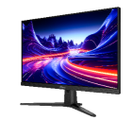 | 27inch | 1920*1080 IPS screen 85% NTSC 300cd/㎡ brightness + 200hz refreash rate Adaptive Sync + VESA 100*100mm HDMI 2.0 x1 DP 1.4 x1 Audio out *1 | Wide color gamut, 85% NTSC. It meets the designer's demand of image texture. 178°H/178°V extra-wide viewing angle for all-round viewing performance. Adaptive sync can effectively solve picture lagging and tearing problems. 0.5 ms fast response time with no image blurring or ghosting (with OD). | Normal | Rp1,709,000 | Rp2,109,000 | 3 year
Smart Series
1.0.99.12.10568-0003 | LM32-U400P |  | 32inch | 3840*2160 VA screen 85% NTSC Android 13.0, 8G memory+128G storage max 400cd/㎡ brightness + 60hz refreash rate Mini HDMI*1 Type-C *1 WIFI 6 Speaker*2 | · Outstanding home audio & visual performance (32" UHD screen); · Rich interaction methods, Full lamination touch screen, 8MP camera, microphones + speakers; · Flexible wireless mobility. Built in 144WH battery, 4-hour battery life; · Wide color gamut, 99% sRGB, 85% NTSC, 92% DCI-P3, 84%Adobe RGB; · Google Market, With Google EDLA License | Normal | Rp14,349,900 | Rp17,799,000 | 3 year

Accessories Series
PN | Dahua Model | Picture | Descriptions | Status | MSRP | Discount Off For DPP | DPP Price | Discount Off For Non DPP | Non DPP Price | Warranty
1.0.99.44.10467 | DH-PFA152-E |  | Pole mount for 0-3kg device | Normal | Rp179,000 | 36% | Rp116,000 | 32% | Rp122,000 | 3 year
1.0.99.42.10017 | DH-PFA12C | 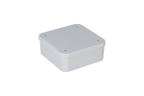 | Plastic Junction Box | Normal | Rp65,000 | 36% | Rp42,000 | 31% | Rp45,000 | 3 year
1.0.99.44.10515 | DH-PFA120 |  | Basic water-proof For PTZ camera | Normal | Rp231,000 | 36% | Rp150,000 | 32% | Rp158,000 | 3 year
1.0.99.42.10002 | DH-PFA12A |  | "Plastic junction box Structural water-proof design For S/R/T/E bullet cameras and SL/R/M eyeball cameras" | Normal | Rp47,000 | 37% | Rp30,000 | 32% | Rp32,000 | 3 year
1.1.02.08.11679 | PFA111 |  | For SD60/65F/6AE/6AL | Normal | Rp97,000 | 36% | Rp63,000 | 31% | Rp67,000 | 3 year
1.0.99.44.10445 | DH-PFB303W |  | For SD6 PTZ camera with adapter | Normal | Rp231,000 | 36% | Rp150,000 | 32% | Rp158,000 | 3 year
1.0.99.44.10457 | DH-PFB300S |  | SD40,50,59 PTZ including white goose neck brace | Normal | Rp231,000 | 36% | Rp150,000 | 32% | Rp158,000 | 3 year
1.0.99.44.10498 | DH-PFA134 |  | Basic water-proof Perfect matched | Normal | Rp125,000 | 36% | Rp81,000 | 32% | Rp86,000 | 3 year
1.0.99.41.10152 | DH-PFA150 |  | Pole Diameter: 80~150mm Built of SECC material. Simple, elegant and convenient to use. Supports being installed on large vertcal poles. The enhanced buckle makes the pole bracket tighter and firmer. | Normal | Rp462,000 | 36% | Rp300,000 | 32% | Rp315,000 | 3 year
1.0.99.41.10202 | DH-PFA150-T | 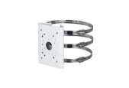 | Pole Diameter: 100~270mm Built of SECC and SUS304 material. Simple, elegant and convenient to use. Supports being installed on large vertcal poles. The enhanced buckle makes the pole bracket tighter and firmer. | Normal | Rp533,000 | 36% | Rp346,000 | 32% | Rp364,000 | 3 year
1.0.99.44.10486 | DH-PFA136 |  | Basic water-proof Perfect matched | Normal | Rp125,000 | 36% | Rp81,000 | 32% | Rp86,000 | 3 year
1.0.99.44.10417 | DH-PFB305W |  | For SD49 PTZ camera without adapter Safety rope protection | Normal | Rp250,000 | 36% | Rp162,000 | 32% | Rp171,000 | 3 year
1.2.41.99.0248 | PFA110 |  | For SD40/50/59 | Normal | Rp90,000 | 36% | Rp58,000 | 33% | Rp61,000 | 3 year
1.0.99.44.10588 | DH-PFB203W |  | Basic water-proof Rapid installation For 3 screws to fix | Normal | Rp179,000 | 36% | Rp116,000 | 32% | Rp122,000 | 3 year

